OFFER
REF
NAME*
COMPANY NAME
DATE*
SALES REP*
EMAIL*
PHONE #*
PAYMENT CURRENCY (€/£)*
BILLING ADDRESS*
ORDER NUMBER
PRE/IN HAND
DELIVERY TYPE

Picture | BRAND | Articolo | Descrizione | Col. | MEAUREMENTS | COMPOSIZIONE | QTY | RRP € | RRP TOT € | COST € | COST TOTAL € | COST £ | COST TOT £
 | JACQUEMUS | Il Chiquito homme | BAG | BLACK | 12x9 cm | 100% Cowskin | 20 | € 595.00 | € 11,900.00 | € 178.75 | € 3,575.00 | £158.19 | £3,163.72
 | JACQUEMUS | Le Chiquito Moyen | BAG | BLACK GOLD | 18 x 13,5 cm | 100% Leather | 5 | € 780.00 | € 3,900.00 | € 234.00 | € 1,170.00 | £207.08 | £1,035.40
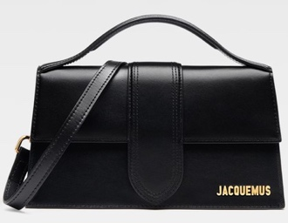 | JACQUEMUS | Le grand Bambino | BAG | BLACK/GOLD | 23,5 x 13 cm | 100% Leather | 108 | € 885.00 | € 95,580.00 | € 266.50 | € 28,782.00 | £235.84 | £25,470.80
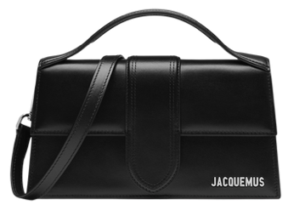 | JACQUEMUS | Le grand Bambino | BAG | BLACK / SILVER | 23,5 x 13 cm | 100% Leather | 53 | € 885.00 | € 46,905.00 | € 266.50 | € 14,124.50 | £235.84 | £12,499.56
 | JACQUEMUS | Le grand Bambino | BAG | BLACK/COCCO | 23,5 x 13 cm | 100% Leather | 4 | € 995.00 | € 3,980.00 | € 299.00 | € 1,196.00 | £264.60 | £1,058.41
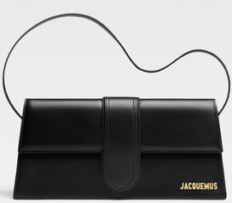 | JACQUEMUS | Le Bambino Long | BAG | BLACK | 28 x 13,5 | 100% Leather | 15 | € 920.00 | € 13,800.00 | € 276.25 | € 4,143.75 | £244.47 | £3,667.04
 | JACQUEMUS | LE Bambino | BAG | BLACK GOLD | 17,5 x 9 cm | 100% Cowskin | 30 | € 670.00 | € 20,100.00 | € 201.50 | € 6,045.00 | £178.32 | £5,349.56
 | JACQUEMUS | Le grand Bambino | BAG | BLACK/GOLD La croiciere | 23,5 x 13 cm | 100% Leather | 4 | € 1,025.00 | € 4,100.00 | € 308.75 | € 1,235.00 | £273.23 | £1,092.92
 | JACQUEMUS | Le Chiquito Moyen | BAG | WHITE | 18 x 13,5 cm | 100% Leather | 3 | € 780.00 | € 2,340.00 | € 234.00 | € 702.00 | £207.08 | £621.24
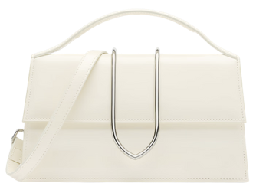 | JACQUEMUS | Le Grand Bambino | BAG | IVORY LA CROICIERE | 23,5 x 13cm | 100% Leather | 3 | € 1,025.00 | € 3,075.00 | € 308.75 | € 926.25 | £273.23 | £819.69
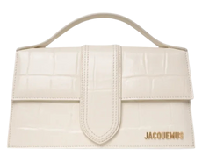 | JACQUEMUS | Le Grand Bambino | BAG | IVORY COCCO | 23,5 x 13cm | 100% Leather | 25 | € 995.00 | € 24,875.00 | € 299.00 | € 7,475.00 | £264.60 | £6,615.04
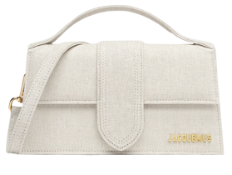 | JACQUEMUS | Le Grand Bambino | BAG | LIGHT GRIEGE | 23,5 x 13cm | 100% Leather | 1 | € 885.00 | € 885.00 | € 266.50 | € 266.50 | £235.84 | £235.84
 | JACQUEMUS | Le Grand Bambino | BAG | DARK GRIEGE | 23,5 x 13cm | 100% Leather | 1 | € 885.00 | € 885.00 | € 266.50 | € 266.50 | £235.84 | £235.84
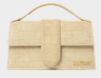 | JACQUEMUS | Le Grand Bambino | BAG | BEIGE CROCO | 23,5 x 13cm | 100% Leather | 13 | € 940.00 | € 12,220.00 | € 282.75 | € 3,675.75 | £250.22 | £3,252.88
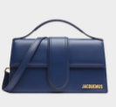 | JACQUEMUS | Le Grand Bambino | BAG | DARK NAVY | 23,5 x 13cm | 100% Leather | 3 | € 885.00 | € 2,655.00 | € 266.50 | € 799.50 | £235.84 | £707.52
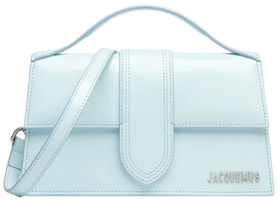 | JACQUEMUS | Le Grand Bambino | BAG | PALE BLUE | 23,5 x 13cm | 100% Leather | 1 | € 885.00 | € 885.00 | € 266.50 | € 266.50 | £235.84 | £235.84
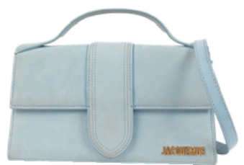 | JACQUEMUS | Le Grand Bambino | BAG | DARK LIGHT BLUE | 23,5 x 13cm | 100% Leather | 1 | € 885.00 | € 885.00 | € 266.50 | € 266.50 | £235.84 | £235.84
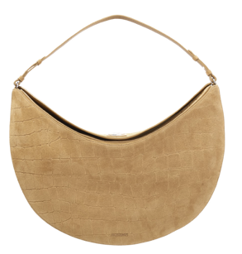 | JACQUEMUS | Borsa Ovalo | BAG | BEIGE COCCO | 49 cm x 25,5 cm x 10,5 cm | 100% Leather | 1 | € 1,565.00 | € 1,565.00 | € 471.25 | € 471.25 | £417.04 | £417.04
 | JACQUEMUS | Le Bambino Long | BAG | DARK BROWN | 28 x 13,5 | 100% Leather | 7 | € 920.00 | € 6,440.00 | € 276.25 | € 1,933.75 | £244.47 | £1,711.28
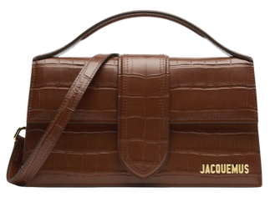 | JACQUEMUS | Le Grand Bambino | BAG | BROWN COCCO | 23,5 x 13cm | 100% Leather | 1 | € 995.00 | € 995.00 | € 299.00 | € 299.00 | £264.60 | £264.60
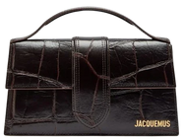 | JACQUEMUS | Le Grand Bambino | BAG | DARK BROWN COCCO | 23,5 x 13cm | 100% Leather | 19 | € 995.00 | € 18,905.00 | € 299.00 | € 5,681.00 | £264.60 | £5,027.43
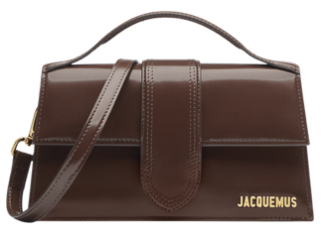 | JACQUEMUS | Le Grand Bambino | BAG | MIDNIGHT BROWN | 23,5 x 13cm | 100% Leather | 1 | € 885.00 | € 885.00 | € 266.50 | € 266.50 | £235.84 | £235.84
 | JACQUEMUS | Le Grand Bambino | BAG | LIGHT BROWN | 23,5 x 13cm | 100% Leather | 2 | € 885.00 | € 1,770.00 | € 266.50 | € 533.00 | £235.84 | £471.68
 | JACQUEMUS | Le Grand Bambino | BAG | BROWN | 23,5 x 13cm | 100% Cowskin | 7 | € 855.00 | € 5,985.00 | € 266.50 | € 1,865.50 | £235.84 | £1,650.88
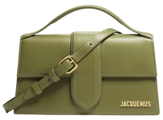 | JACQUEMUS | Le grand Bambino | BAG | GREEN KHAKI | 23,5 x 13cm | 100% Leather | 23 | € 885.00 | € 20,355.00 | € 266.50 | € 6,129.50 | £235.84 | £5,424.34
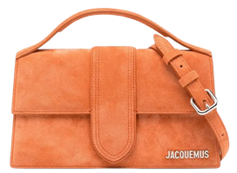 | JACQUEMUS | Le grand Bambino | BAG | TERRACOTTA | 23,5 x 13cm | 100% Leather | 7 | € 885.00 | € 6,195.00 | € 266.50 | € 1,865.50 | £235.84 | £1,650.88
 | JACQUEMUS | Le grand Bambino | BAG | RED | 23,5 x 13cm | 100% Leather | 16 | € 885.00 | € 14,160.00 | € 266.50 | € 4,264.00 | £235.84 | £3,773.45
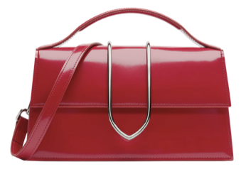 | JACQUEMUS | Le grand Bambino | BAG | RED LA CROICIERE | 23,5 x 13cm | 100% Leather | 11 | € 1,070.00 | € 11,770.00 | € 321.75 | € 3,539.25 | £284.73 | £3,132.08
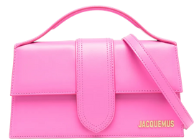 | JACQUEMUS | Le grand Bambino | BAG | NEON PINK | 23,5 x 13cm | 100% Leather | 2 | € 885.00 | € 1,770.00 | € 266.50 | € 533.00 | £235.84 | £471.68
 |  |  |  |  |  |  | 387 |  | € 339,765.00 |  | € 102,297.00 |  | £90,528.32

