OFFER
BRAND | IMAGE | MODEL | QTY | RRP € | RRP TOT € | COST € | COST TOT € | COST £ | COST TOT £
TOMMY HILFIGER |  | TH1781476 | 6 | € 199.00 | € 1,194.00 | € 61.69 | € 370.14 | £55.08 | £330.48
TOMMY HILFIGER |  | TH1782657 | 4 | € 189.00 | € 756.00 | € 56.70 | € 226.80 | £50.62 | £202.50
TOMMY HILFIGER | 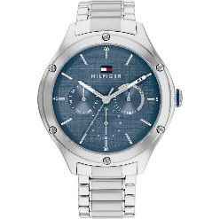 | TH1782657 | 4 | € 189.00 | € 756.00 | € 56.70 | € 226.80 | £50.62 | £202.50
TOMMY HILFIGER | 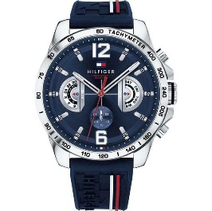 | TH1791476 | 6 | € 199.00 | € 1,194.00 | € 59.70 | € 358.20 | £53.30 | £319.82
EMPORIO ARMANI |  | AR11104 | 4 | € 329.00 | € 1,316.00 | € 98.70 | € 394.80 | £88.13 | £352.50
EMPORIO ARMANI | 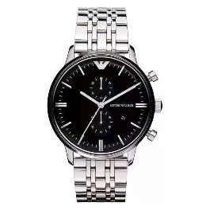 | AR0389 | 5 | € 399.00 | € 1,995.00 | € 119.70 | € 598.50 | £106.87 | £534.37
EMPORIO ARMANI | 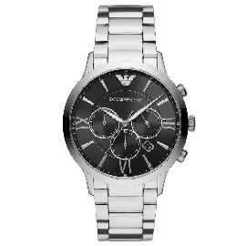 | AR11208 | 5 | € 359.00 | € 1,795.00 | € 107.70 | € 538.50 | £96.16 | £480.80
EMPORIO ARMANI | 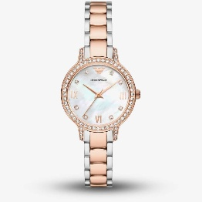 | AR11499 | 5 | € 349.00 | € 1,745.00 | € 104.70 | € 523.50 | £93.48 | £467.41
MICHAEL KORS | 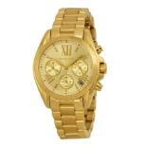 | MK5798 | 5 | € 249.00 | € 1,245.00 | € 74.70 | € 373.50 | £66.70 | £333.48
MICHAEL KORS |  | MK3178 | 5 | € 199.00 | € 995.00 | € 59.70 | € 298.50 | £53.30 | £266.52
DIESEL | 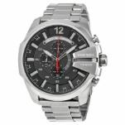 | DZ4308 | 7 | € 259.00 | € 1,813.00 | € 77.70 | € 543.90 | £69.38 | £485.63
DIESEL | 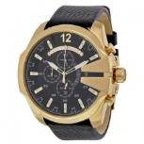 | DZ4344 | 3 | € 259.00 | € 777.00 | € 77.70 | € 233.10 | £69.38 | £208.13
DIESEL | 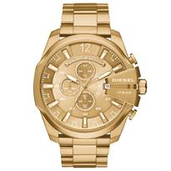 | DZ4360 | 5 | € 299.00 | € 1,495.00 | € 89.70 | € 448.50 | £80.09 | £400.45
DIESEL | 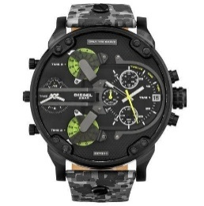 | DZ7311 | 5 | € 349.00 | € 1,745.00 | € 104.70 | € 523.50 | £93.48 | £467.41
DIESEL | 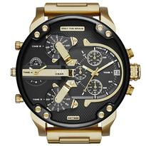 | DZ7333 | 5 | € 439.00 | € 2,195.00 | € 131.70 | € 658.50 | £117.59 | £587.95
HUGO BOSS | 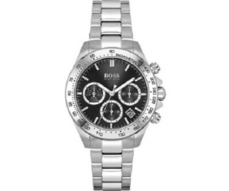 | HB1502614 | 5 | € 359.00 | € 1,795.00 | € 107.70 | € 538.50 | £96.16 | £480.80
HUGO BOSS | 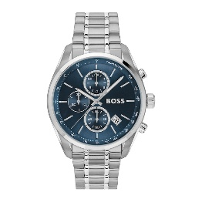 | HB1513478 | 5 | € 359.00 | € 1,795.00 | € 107.70 | € 538.50 | £96.16 | £480.80
HUGO BOSS | 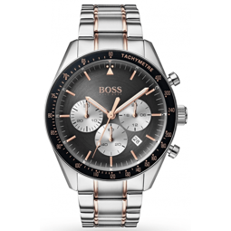 | HB1513634 | 5 | € 359.00 | € 1,795.00 | € 107.70 | € 538.50 | £96.16 | £480.80
DANIEL WELLINGTON | 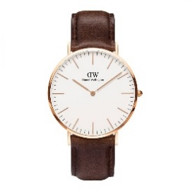 | DW00100009 | 5 | € 159.00 | € 795.00 | € 47.70 | € 238.50 | £42.59 | £212.95
DANIEL WELLINGTON |  | DW00100348 | 5 | € 169.00 | € 845.00 | € 50.70 | € 253.50 | £45.27 | £226.34
 |  |  | 99 |  | € 28,041.00 |  | € 8,424.24 |  | £7,521.64

