OFFER
Picture | BRAND | Articolo | Descrizione | Col. | MEAUREMENTS | COMPOSIZIONE | QTY | RRP € | RRP TOT € | COST € | COST TOTAL € | COST £ | COST TOT £
 | JACQUEMUS | Il Chiquito homme | BAG | BLACK | 12x9 cm | 100% Cowskin | 18 | € 595.00 | € 10,710.00 | € 119.00 | € 2,142.00 | £105.31 | £1,895.58
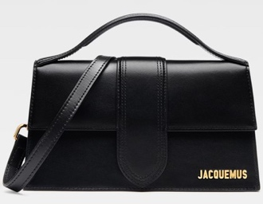 | JACQUEMUS | Le grand Bambino | BAG | BLACK/GOLD | 23,5 x 13 cm | 100% Leather | 88 | € 885.00 | € 77,880.00 | € 177.00 | € 15,576.00 | £156.64 | £13,784.07
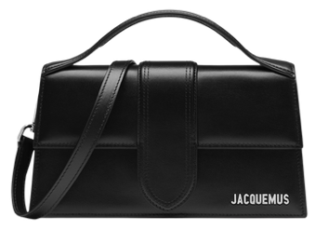 | JACQUEMUS | Le grand Bambino | BAG | BLACK / SILVER | 23,5 x 13 cm | 100% Leather | 40 | € 885.00 | € 35,400.00 | € 177.00 | € 7,080.00 | £156.64 | £6,265.49
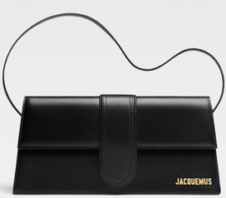 | JACQUEMUS | Le Bambino Long | BAG | BLACK | 28 x 13,5 | 100% Leather | 20 | € 920.00 | € 18,400.00 | € 184.00 | € 3,680.00 | £162.83 | £3,256.64
 | JACQUEMUS | LE Bambino | BAG | BLACK GOLD | 17,5 x 9 cm | 100% Cowskin | 30 | € 670.00 | € 20,100.00 | € 134.00 | € 4,020.00 | £118.58 | £3,557.52
 | JACQUEMUS | Le grand Bambino | BAG | BLACK/GOLD La croiciere | 23,5 x 13 cm | 100% Leather | 1 | € 1,025.00 | € 1,025.00 | € 205.00 | € 205.00 | £181.42 | £181.42
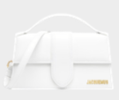 | JACQUEMUS | Le Grand Bambino | BAG | WHITE | 23,5 x 13cm | 100% Leather | 20 | € 885.00 | € 17,700.00 | € 177.00 | € 3,540.00 | £156.64 | £3,132.74
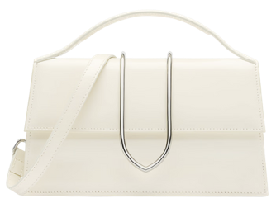 | JACQUEMUS | Le Grand Bambino | BAG | IVORY LA CROICIERE | 23,5 x 13cm | 100% Leather | 4 | € 1,025.00 | € 4,100.00 | € 205.00 | € 820.00 | £181.42 | £725.66
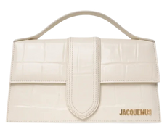 | JACQUEMUS | Le Grand Bambino | BAG | IVORY COCCO | 23,5 x 13cm | 100% Leather | 28 | € 995.00 | € 27,860.00 | € 199.00 | € 5,572.00 | £176.11 | £4,930.97
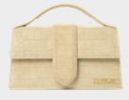 | JACQUEMUS | Le Grand Bambino | BAG | BEIGE CROCO | 23,5 x 13cm | 100% Leather | 20 | € 940.00 | € 18,800.00 | € 188.00 | € 3,760.00 | £166.37 | £3,327.43
 | JACQUEMUS | Le Bambino Long | BAG | DARK BROWN | 28 x 13,5 | 100% Leather | 6 | € 920.00 | € 5,520.00 | € 184.00 | € 1,104.00 | £162.83 | £976.99
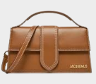 | JACQUEMUS | Le Grand Bambino | BAG | LIGHT BROWN2 | 23,5 x 13cm | 100% Leather | 38 | € 885.00 | € 33,630.00 | € 177.00 | € 6,726.00 | £156.64 | £5,952.21
 | JACQUEMUS | Le Grand Bambino | BAG | BROWN | 23,5 x 13cm | 100% Cowskin | 88 | € 855.00 | € 75,240.00 | € 171.00 | € 15,048.00 | £151.33 | £13,316.81
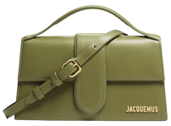 | JACQUEMUS | Le grand Bambino | BAG | GREEN KHAKI | 23,5 x 13cm | 100% Leather | 38 | € 885.00 | € 33,630.00 | € 177.00 | € 6,726.00 | £156.64 | £5,952.21
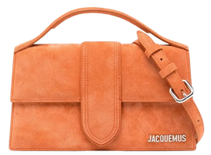 | JACQUEMUS | Le grand Bambino | BAG | TERRACOTTA | 23,5 x 13cm | 100% Leather | 26 | € 885.00 | € 23,010.00 | € 177.00 | € 4,602.00 | £156.64 | £4,072.57
 | JACQUEMUS | Le grand Bambino | BAG | RED | 23,5 x 13cm | 100% Leather | 21 | € 885.00 | € 18,585.00 | € 177.00 | € 3,717.00 | £156.64 | £3,289.38
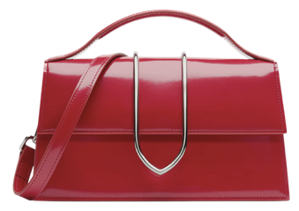 | JACQUEMUS | Le grand Bambino | BAG | RED LA CROICIERE | 23,5 x 13cm | 100% Leather | 2 | € 1,070.00 | € 2,140.00 | € 214.00 | € 428.00 | £189.38 | £378.76
 | JACQUEMUS | Chiquito Grand | BAG | BROWN | 22 x 18 cm |  | 90 | € 925.00 | € 83,250.00 | € 185.00 | € 16,650.00 | £163.72 | £14,734.51
 | JACQUEMUS | Bambino | BAG | NERO | 17,5 x 9 cm | 100% Cowskin | 100 | € 670.00 | € 67,000.00 | € 134.00 | € 13,400.00 | £118.58 | £11,858.41
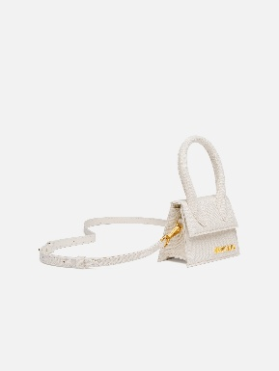 | JACQUEMUS | CHIQUITO MINI | BAG | DARK ORANGE | 12 x 9 cm | 100% GOAT LEATHER | 19 | € 595.00 | € 13,395.00 | € 89.25 | € 3,348.75 | £78.98 | £1,500.66
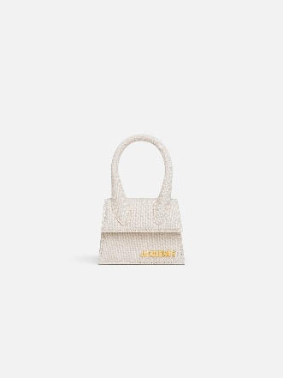 | JACQUEMUS | CHIQUITO MINI | BAG | LIGHT GREIGE | 12 x 9 cm | 44%LI 44%CO 12%AC | 111 | € 595.00 | € 78,255.00 | € 89.25 | € 19,563.75 | £78.98 | £8,767.04
 | JACQUEMUS | CHIQUITO MINI | BAG | LILAC | 12 x 9 cm | 100% COW LEATHER | 31 | € 595.00 | € 21,855.00 | € 89.25 | € 5,463.75 | £78.98 | £2,448.45
 | JACQUEMUS | CHIQUITO MINI | BAG | WHITE | 12 x 9 cm | 100% COW LEATHER | 40 | € 595.00 | € 28,200.00 | € 89.25 | € 7,050.00 | £78.98 | £3,159.29
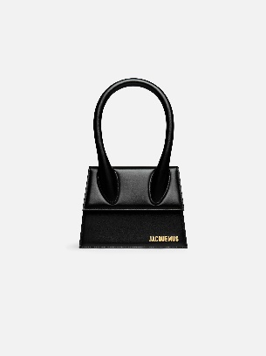 | JACQUEMUS | CHIQUITO MOYEN | BAG | BLACK GOLD | 18 x 13,5 cm | 100% COW LEATHER | 48 | € 795.00 | € 38,160.00 | € 159.00 | € 9,540.00 | £140.71 | £6,753.98
 | JACQUEMUS | CHIQUITO MOYEN | BAG | BLUE | 18 x 13,5 cm | 100% COW LEATHER | 16 | € 795.00 | € 12,720.00 | € 159.00 | € 3,180.00 | £140.71 | £2,251.33
 | JACQUEMUS | CHIQUITO MOYEN | BAG | DARK ORANGE | 18 x 13,5 cm | 100% GOAT LEATHER | 3 | € 795.00 | € 2,385.00 | € 159.00 | € 596.25 | £140.71 | £422.12
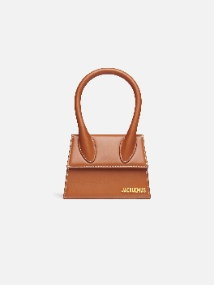 | JACQUEMUS | CHIQUITO MOYEN | BAG | LIGHT BROWN 2 | 18 x 13,5 cm | 100% COW LEATHER | 1 | € 795.00 | € 795.00 | € 159.00 | € 198.75 | £140.71 | £140.71
 | JACQUEMUS | CHIQUITO MOYEN | BAG | PINK | 18 x 13,5 cm | 100% COW LEATHER | 2 | € 795.00 | € 1,590.00 | € 159.00 | € 397.50 | £140.71 | £281.42
 | JACQUEMUS | CHIQUITO MOYEN | BAG | PINK CROC |  | 100% COW LEATHER | 48 | € 795.00 | € 38,160.00 | € 159.00 | € 9,540.00 | £140.71 | £6,753.98
 | JACQUEMUS | CHIQUITO MOYEN | BAG | WHITE |  | 100% COW LEATHER | 4 | € 795.00 | € 3,180.00 | € 159.00 | € 795.00 | £140.71 | £562.83
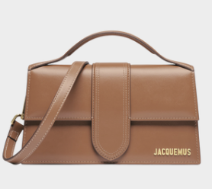 | JACQUEMUS | GRAND BAMBINO | BAG | LIGHT BROWN 2 | 23,5 x 13cm | 100% COW LEATHER | 1 | € 885.00 | € 885.00 | € 177.00 | € 221.25 | £156.64 | £156.64
 | JACQUEMUS | GRAND CHIQUITO | BAG | CREAM |  | 100% COW LEATHER | 4 | € 925.00 | € 3,700.00 | € 185.00 | € 925.00 | £163.72 | £654.87
 | JACQUEMUS | GRAND CHIQUITO | BAG | LIGHT BROWN 2 |  | 100% COW LEATHER | 3 | € 925.00 | € 2,775.00 | € 185.00 | € 693.75 | £163.72 | £491.15
 |  |  |  |  |  |  | 1009 |  | € 820,035.00 |  | € 176,309.75 |  | £135,933.85

