OFFER
BRAND | IMAGE | MODEL | COLOUR | GENDER | CATEGORY | QTY | 36 | 37 | 38 | 39 | 40 | 41 | 42 | 43 | 44 | 45 | 46 | 47 | RRP € | RRP TOT € | 82% OFF RRP COST € | COST TOT € | COST £ | COST TOT £
MISSONI | 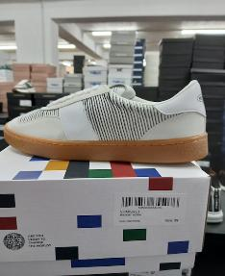 | SHMISRET | WHITE | UNISEX | SCARPA | 162 | 5 | 19 | 27 | 19 | 13 | 21 | 0 | 16 | 5 | 20 | 17 | 0 | € 275.00 | € 44,550.00 | € 49.50 | € 8,019.00 | £43.81 | £7,096.46
MISSONI | 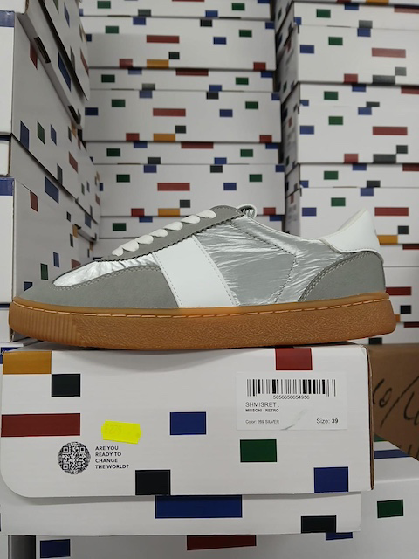 | SHMISRET | SILVER | UNISEX | SCARPA | 71 | 4 | 14 | 2 | 11 | 13 | 10 | 0 | 0 | 0 | 8 | 9 | 0 | € 275.00 | € 19,525.00 | € 49.50 | € 3,514.50 | £43.81 | £3,110.18
MISSONI | 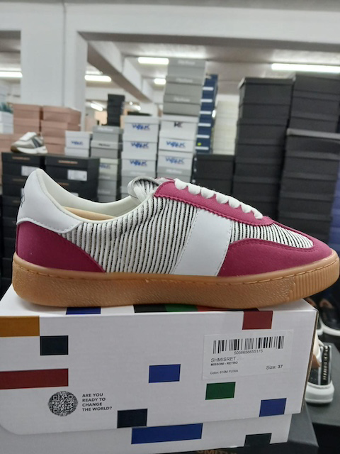 | SHMISRET | FUXIA | UNISEX | SCARPA | 42 | 0 | 0 | 0 | 0 | 0 | 2 | 18 | 18 | 0 | 2 | 2 |  | € 275.00 | € 11,550.00 | € 49.50 | € 2,079.00 | £43.81 | £1,839.82
MISSONI | 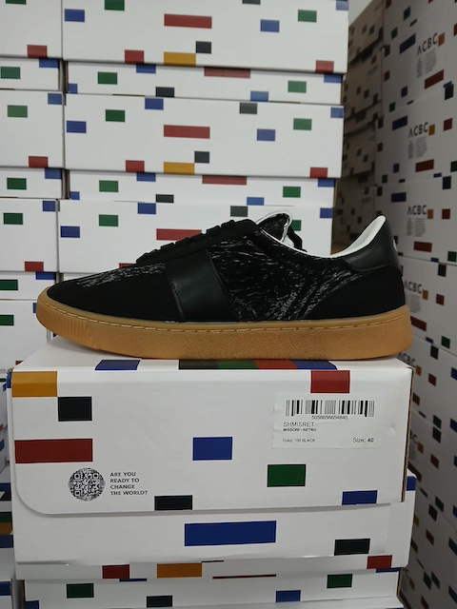 | SHMISRET | BLACK | UNISEX | SCARPA | 56 | 1 | 1 | 5 | 1 | 10 | 9 | 1 | 0 | 0 | 6 | 22 |  | € 275.00 | € 15,400.00 | € 49.50 | € 2,772.00 | £43.81 | £2,453.10
MISSONI | 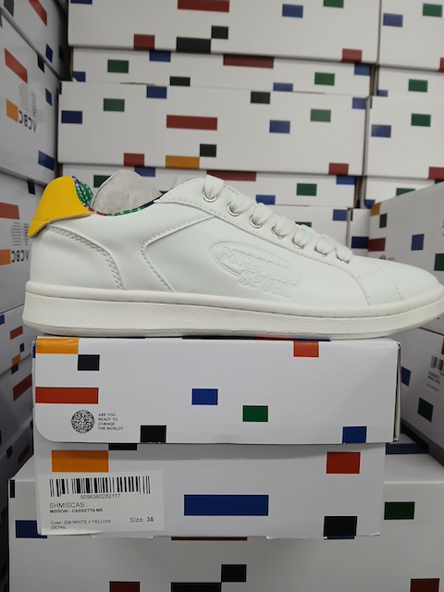 | SHMISCAS | YELLOW | UNISEX | SCARPA | 8 | 0 | 0 | 1 | 0 | 0 | 0 | 0 | 0 | 0 | 0 | 4 | 3 | € 235.00 | € 1,880.00 | € 42.30 | € 338.40 | £37.43 | £299.47
MISSONI | 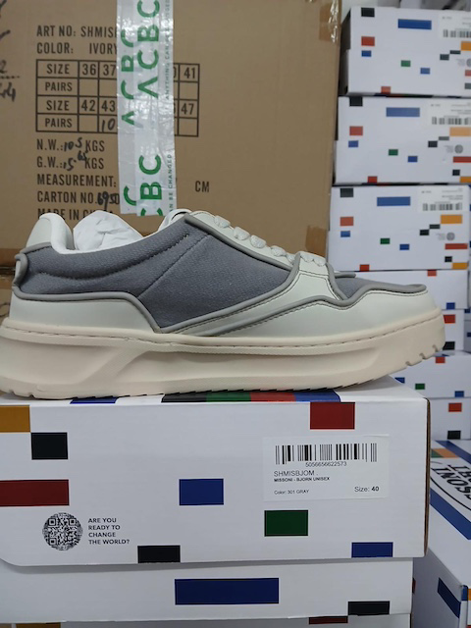 | SHMISBJOM | GREY | UOMO | SCARPA | 15 | 0 | 0 | 0 | 0 | 2 | 8 | 0 | 0 | 1 | 1 | 0 | 3 | € 395.00 | € 5,925.00 | € 71.10 | € 1,066.50 | £62.92 | £943.81
MISSONI | 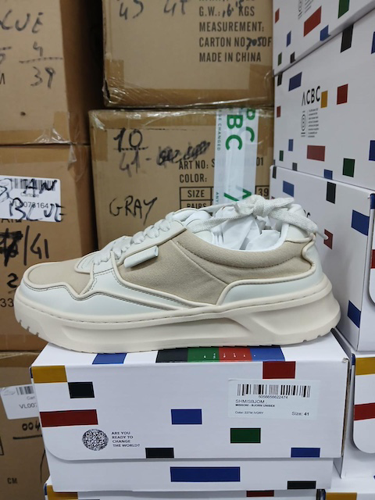 | SHMISBJOM | IVORY | UOMO | SCARPA | 7 | 0 | 0 | 0 | 0 | 0 | 0 | 0 | 1 | 0 | 5 | 0 | 1 | € 395.00 | € 2,765.00 | € 71.10 | € 497.70 | £62.92 | £440.44
MISSONI | 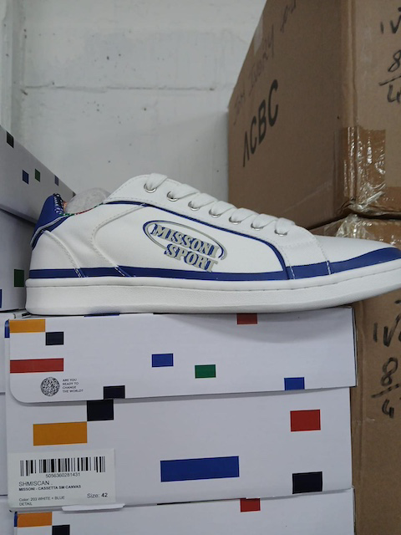 | SHMISCAN | BLUE | UNISEX | SCARPA | 12 | 2 | 0 | 5 | 3 | 0 | 0 | 0 | 0 | 0 | 1 | 0 | 1 | € 235.00 | € 2,820.00 | € 42.30 | € 507.60 | £37.43 | £449.20
MISSONI | 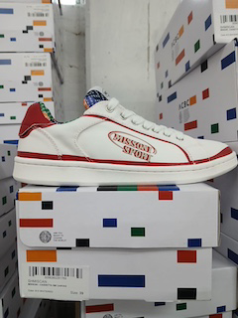 | SHMISCAN | RED | UNISEX | SCARPA | 10 | 1 | 0 | 0 | 1 | 0 | 0 | 1 | 0 | 0 | 0 | 2 | 5 | € 235.00 | € 2,350.00 | € 42.30 | € 423.00 | £37.43 | £374.34
MISSONI |  | SHMISCAN | YELLOW | UNISEX | SCARPA | 7 | 0 | 0 | 1 | 2 | 1 | 0 | 0 | 0 | 0 | 0 | 0 | 3 | € 235.00 | € 1,645.00 | € 42.30 | € 296.10 | £37.43 | £262.04
MISSONI | 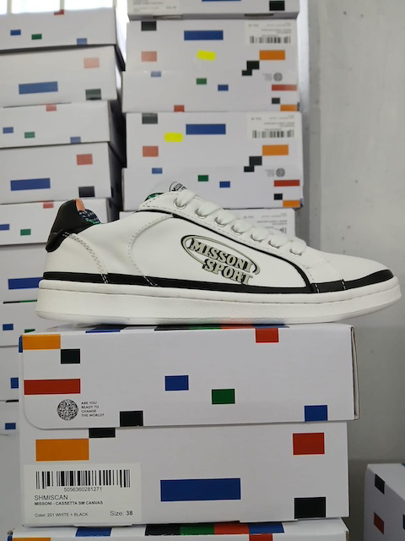 | SHMISCAN | BLACK | UNISEX | SCARPA | 47 | 4 | 3 | 14 | 12 | 0 | 0 | 0 | 0 | 0 | 0 | 8 | 6 | € 235.00 | € 11,045.00 | € 42.30 | € 1,988.10 | £37.43 | £1,759.38
MISSONI | 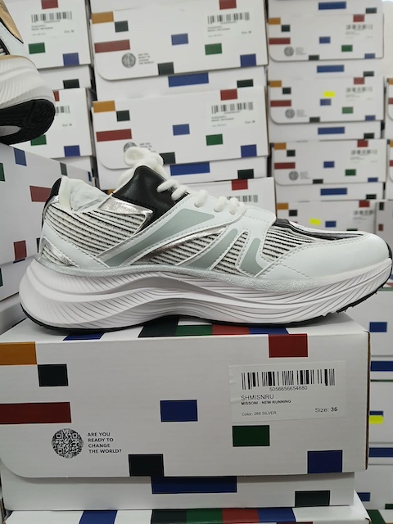 | SHMISNRU | SILVER | UNISEX | SCARPA | 26 | 2 | 5 | 6 | 0 | 10 | 0 | 1 | 1 | 1 | 0 | 0 |  | € 359.00 | € 9,334.00 | € 64.62 | € 1,680.12 | £57.19 | £1,486.83
MISSONI |  | SHISNRU | GOLD | UNISEX | SCARPA | 134 | 3 | 11 | 9 | 12 | 5 | 26 | 14 | 11 | 12 | 12 | 18 | 1 | € 359.00 | € 48,106.00 | € 64.62 | € 8,659.08 | £57.19 | £7,662.90
MISSONI |  | SHIMISCAS | BLACK | UNISEX | SCARPA | 41 | 5 | 5 | 4 | 6 | 4 | 5 | 3 | 0 | 1 | 3 | 0 | 5 | € 235.00 | € 9,635.00 | € 42.30 | € 1,734.30 | £37.43 | £1,534.78
MISSONI |  | SHIMISCAS | BLUE | UNISEX | SCARPA | 1 | 0 | 0 | 0 | 0 | 0 | 0 | 0 | 0 | 0 | 1 | 0 | 0 | € 235.00 | € 235.00 | € 42.30 | € 42.30 | £37.43 | £37.43
MISSONI |  | SHIMISCAN | GREEN | UNISEX | SCARPA | 3 | 0 | 0 | 0 | 0 | 0 | 0 | 0 | 0 | 0 | 3 | 0 | 0 | € 235.00 | € 705.00 | € 42.30 | € 126.90 | £37.43 | £112.30
MISSONI |  | SHIMISCAS | GREEN | UNISEX | SCARPA | 12 | 0 | 0 | 0 | 2 | 0 | 0 | 0 | 0 | 0 | 9 | 0 | 1 | € 235.00 | € 2,820.00 | € 42.30 | € 507.60 | £37.43 | £449.20
 |  |  |  |  |  | 666 |  |  |  |  |  |  |  |  |  |  |  |  |  | € 193,110.00 |  | € 34,759.80 |  | £30,760.88

 |  |  |  |  |  | 3

