OFFER
REF
NAME*
COMPANY NAME
DATE*
SALES REP*
EMAIL*
PHONE #*
PAYMENT CURRENCY (€/£)*
BILLING ADDRESS*
ORDER NUMBER
PRE/IN HAND
DELIVERY TYPE

 | ART | COL | DESCR | COMP | PCS | RRP € | RRP TOT € | COST € | COST TOT € | COST £ | COST TOT £
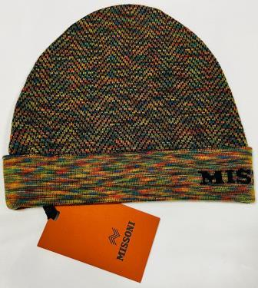 | CP00WOUA488 | 0002 | BEANIE UA488 | 100%WOOL | 36 | € 250.00 | € 9,000.00 | € 19.20 | € 691.20 | £17.14 | £617.14
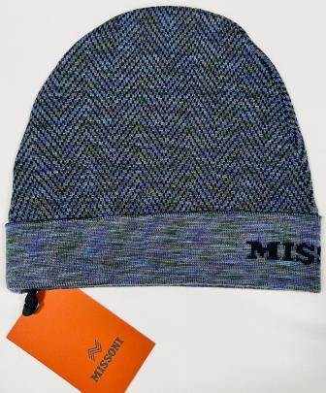 | CP00WOUA488 | 0003 | BEANIE UA488 | 100%WOOL | 30 | € 250.00 | € 7,500.00 | € 19.20 | € 576.00 | £17.14 | £514.29
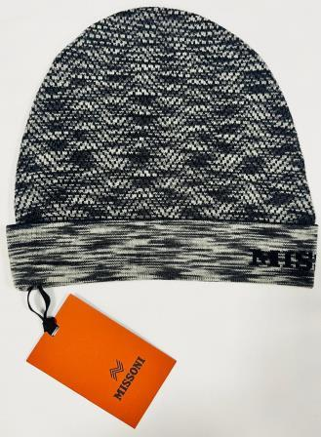 | CP00WOUA488 | 0004 | BEANIE UA488 | 100%WOOL | 35 | € 250.00 | € 8,750.00 | € 19.20 | € 672.00 | £17.14 | £600.00
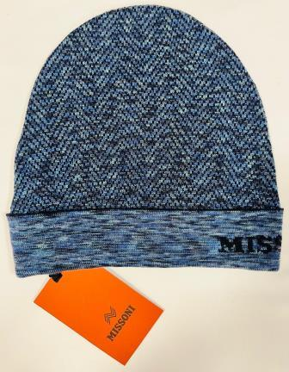 | CP00WOUA488 | 0005 | BEANIE UA488 | 100%WOOL | 20 | € 250.00 | € 5,000.00 | € 19.20 | € 384.00 | £17.14 | £342.86
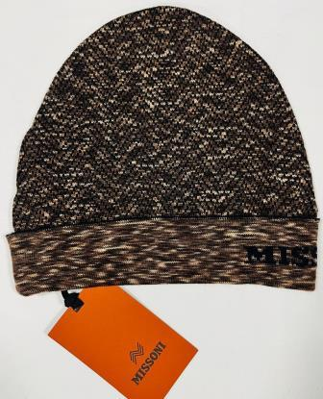 | CP00WOUA488 | 0006 | BEANIE UA488 | 100%WOOL | 27 | € 250.00 | € 6,750.00 | € 19.20 | € 518.40 | £17.14 | £462.86
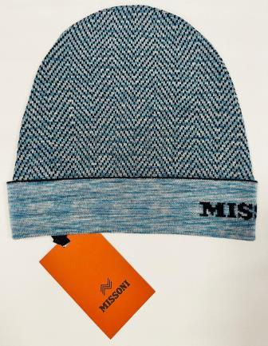 | CP00WOUA488 | 0007 | BEANIE UA488 | 100%WOOL | 27 | € 250.00 | € 6,750.00 | € 19.20 | € 518.40 | £17.14 | £462.86
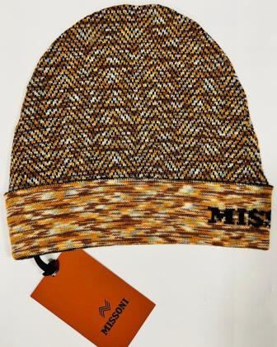 | CP00WOUA488 | 0008 | BEANIE UA488 | 100%WOOL | 17 | € 250.00 | € 4,250.00 | € 19.20 | € 326.40 | £17.14 | £291.43
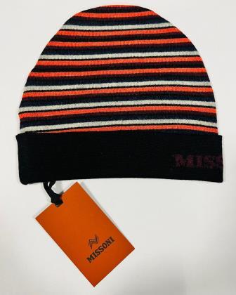 | CP00WOUA489 | 0001 | BEANIE UA489 | 100%WOOL | 48 | € 250.00 | € 12,000.00 | € 19.20 | € 921.60 | £17.14 | £822.86
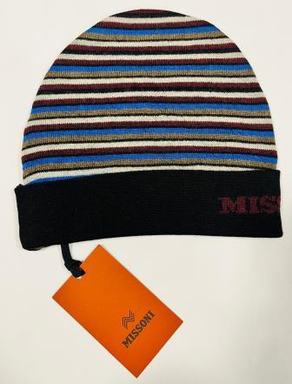 | CP00WOUA489 | 0001 BLU | BEANIE UA489 | 100%WOOL | 20 | € 250.00 | € 5,000.00 | € 19.20 | € 384.00 | £17.14 | £342.86
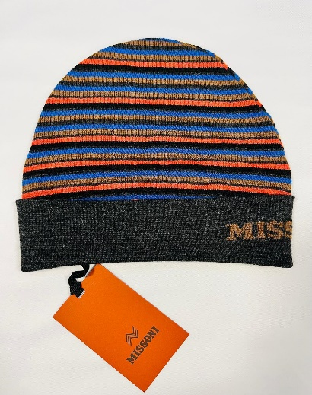 | CP00WOUA489 | 0002 | BEANIE UA489 | 100%WOOL | 55 | € 250.00 | € 13,750.00 | € 19.20 | € 1,056.00 | £17.14 | £942.86
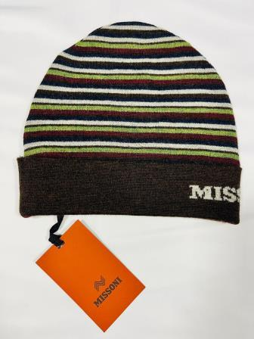 | CP00WOUA489 | 0003 | BEANIE UA489 | 100%WOOL | 70 | € 250.00 | € 17,500.00 | € 19.20 | € 1,344.00 | £17.14 | £1,200.00
 | CP00WOUA489 | 0004 | BEANIE UA489 | 100%WOOL | 134 | € 250.00 | € 33,500.00 | € 19.20 | € 2,572.80 | £17.14 | £2,297.14
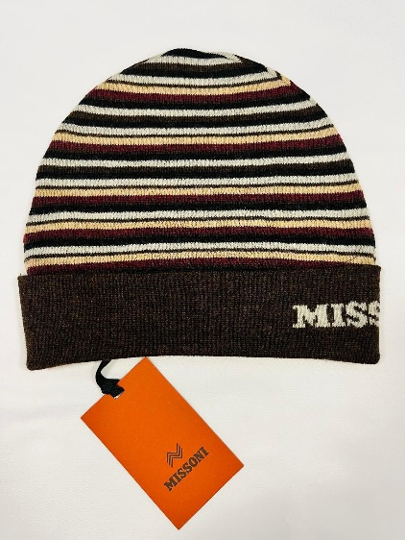 | CP00WOUA489 | 0005 | BEANIE UA489 | 100%WOOL | 36 | € 250.00 | € 9,000.00 | € 19.20 | € 691.20 | £17.14 | £617.14
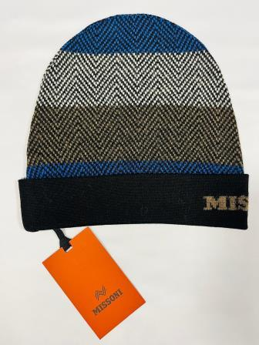 | CP00WOUA490 | 0001 | BEANIE UA491 | 100%WOOL | 75 | € 250.00 | € 18,750.00 | € 19.20 | € 1,440.00 | £17.14 | £1,285.71
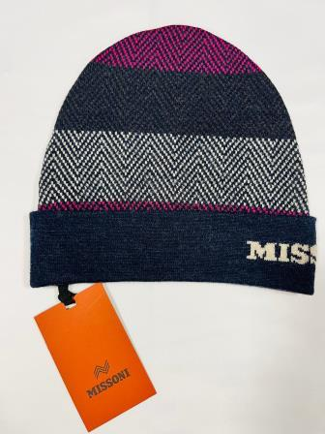 | CP00WOUA490 | 0002 | BEANIE UA491 | 100%WOOL | 105 | € 250.00 | € 26,250.00 | € 19.20 | € 2,016.00 | £17.14 | £1,800.00
 | CP00WOUA490 | 0003 | BEANIE UA491 | 100%WOOL | 164 | € 250.00 | € 41,000.00 | € 19.20 | € 3,148.80 | £17.14 | £2,811.43
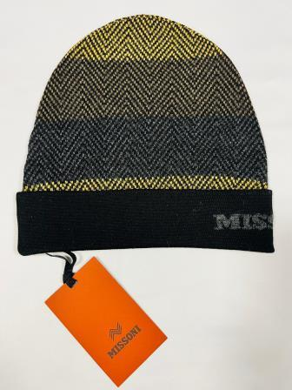 | CP00WOUA490 | 0004 | BEANIE UA491 | 100%WOOL | 79 | € 250.00 | € 19,750.00 | € 19.20 | € 1,516.80 | £17.14 | £1,354.29
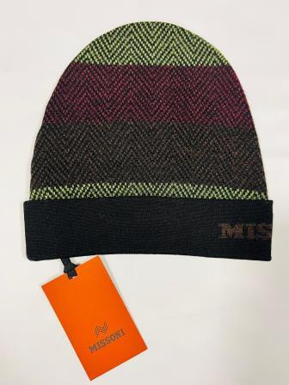 | CP00WOUA490 | 0005 | BEANIE UA491 | 100%WOOL | 168 | € 250.00 | € 42,000.00 | € 19.20 | € 3,225.60 | £17.14 | £2,880.00
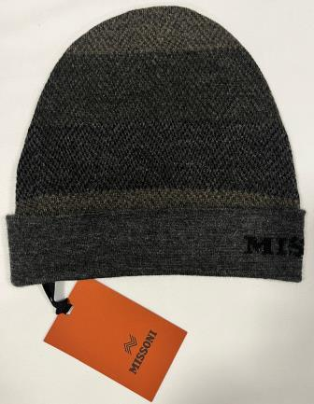 | CP00WOUA490 | 0006 | BEANIE UA490 | 100%WOOL | 145 | € 250.00 | € 36,250.00 | € 19.20 | € 2,784.00 | £17.14 | £2,485.71
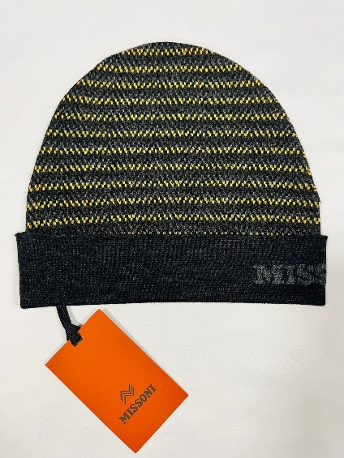 | CP00WOUA491 | 0001 | BEANIE UA491 | 100%WOOL | 85 | € 250.00 | € 21,250.00 | € 19.20 | € 1,632.00 | £17.14 | £1,457.14
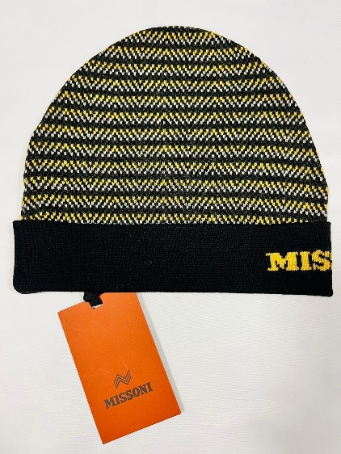 | CP00WOUA491 | 0002 | BEANIE UA491 | 100%WOOL | 113 | € 250.00 | € 28,250.00 | € 19.20 | € 2,169.60 | £17.14 | £1,937.14
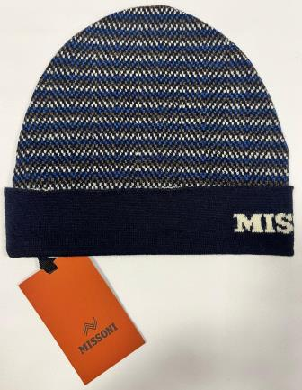 | CP00WOUA491 | 0003 | BEANIE UA491 | 100%WOOL | 128 | € 250.00 | € 32,000.00 | € 19.20 | € 2,457.60 | £17.14 | £2,194.29
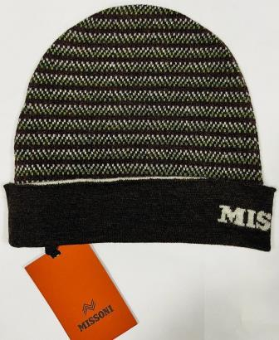 | CP00WOUA491 | 0004 | BEANIE UA491 | 100%WOOL | 125 | € 250.00 | € 31,250.00 | € 19.20 | € 2,400.00 | £17.14 | £2,142.86
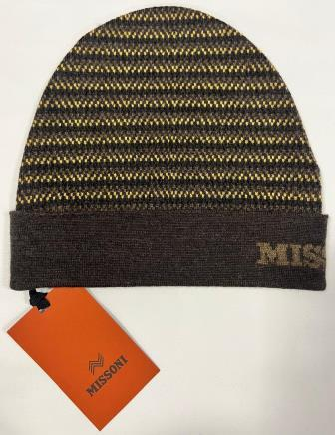 | CP00WOUA491 | 0005 | BEANIE UA491 | 100%WOOL | 124 | € 250.00 | € 31,000.00 | € 19.20 | € 2,380.80 | £17.14 | £2,125.71
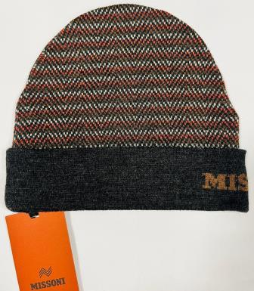 | CP00WOUA491 | 0006 | BEANIE UA491 | 100%WOOL | 115 | € 250.00 | € 28,750.00 | € 19.20 | € 2,208.00 | £17.14 | £1,971.43
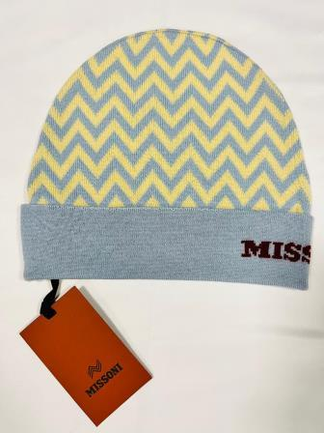 | CP00WODA702 | 0001 | BEANIE DA702 | 100%WOOL | 54 | € 250.00 | € 13,500.00 | € 19.20 | € 1,036.80 | £17.14 | £925.71
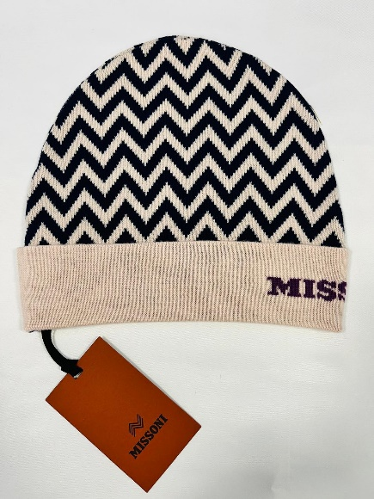 | CP00WODA702 | 0002 | BEANIE DA702 | 100%WOOL | 21 | € 250.00 | € 5,250.00 | € 19.20 | € 403.20 | £17.14 | £360.00
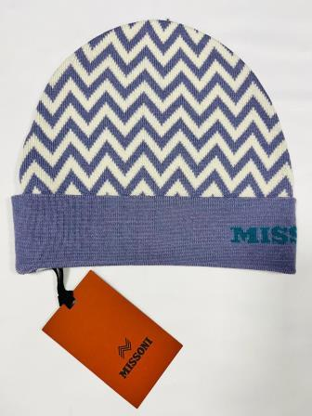 | CP00WODA702 | 0003 | BEANIE DA702 | 100%WOOL | 44 | € 250.00 | € 11,000.00 | € 19.20 | € 844.80 | £17.14 | £754.29
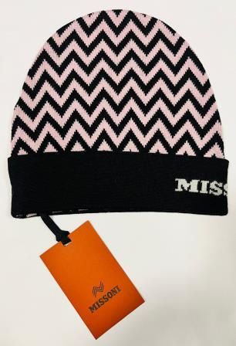 | CP00WODA702 | 0004 BLK ROSA | BEANIE DA702 | 100%WOOL | 17 | € 250.00 | € 4,250.00 | € 19.20 | € 326.40 | £17.14 | £291.43
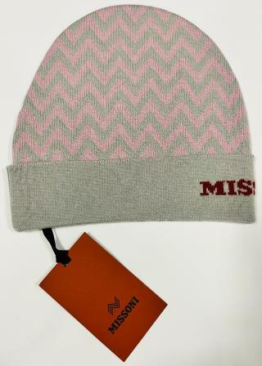 | CP00WODA702 | 0004 ROSA | BEANIE DA702 | 100%WOOL | 37 | € 250.00 | € 9,250.00 | € 19.20 | € 710.40 | £17.14 | £634.29
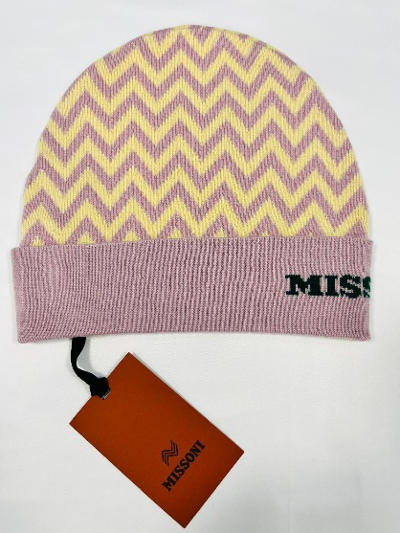 | CP00WODA702 | 0005 | BEANIE DA702 | 100%WOOL | 29 | € 250.00 | € 7,250.00 | € 19.20 | € 556.80 | £17.14 | £497.14
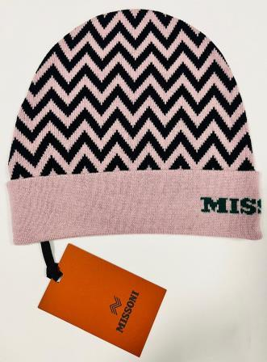 | CP00WODA702 | 0005 ROSA | BEANIE DA702 | 100%WOOL | 29 | € 250.00 | € 7,250.00 | € 19.20 | € 556.80 | £17.14 | £497.14
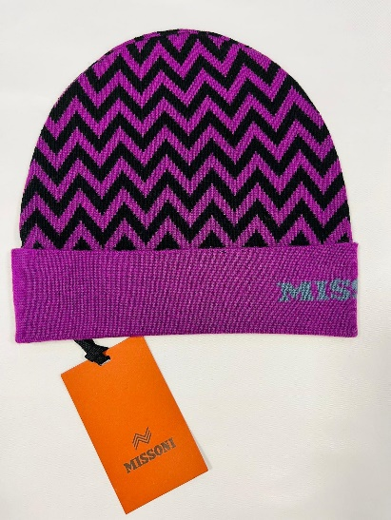 | CP00WODA702 | 0006 | BEANIE DA702 | 100%WOOL | 28 | € 250.00 | € 7,000.00 | € 19.20 | € 537.60 | £17.14 | £480.00
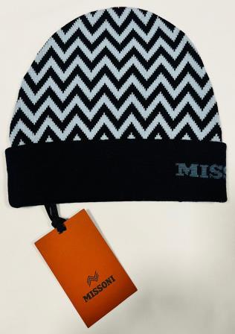 | CP00WODA702 | 0006 BLU | BEANIE DA702 | 100%WOOL | 20 | € 250.00 | € 5,000.00 | € 19.20 | € 384.00 | £17.14 | £342.86
 |  |  |  |  | 2260 |  | € 565,000.00 |  | € 43,392.00 |  | £38,742.86

