OFFER
REF |  |  |  |  |  |  |  |  |  |  | OS | OS
NAME* |  |  |  |  |  |  |  |  |  |  | STD | 3XS | XXS | XS | S | M | L | XL | XXL | 3XL | 4XL
COMPANY NAME |  |  |  |  |  |  |  |  |  |  | W RTW | 34 | 36 | 38 | 40 | 42 | 44 | 46 | 48 | 50 | 52 | 54
DATE* |  |  |  |  |  |  |  |  |  |  | M RTW | 42 | 44 | 46 | 48 | 50 | 52 | 54 | 56 | 58 | 60 | 62 | 64
SALES REP* |  |  |  |  |  |  |  |  |  |  | W SHOES | 34 | 34,5 | 35 | 35,5 | 36 | 36,5 | 37 | 37,5 | 38 | 38,5 | 39 | 39,5 | 40 | 40,5 | 41 | 41,5 | 42
EMAIL* |  |  |  |  |  |  |  |  |  |  | M SHOES | 38 | 38,5 | 39 | 39,5 | 40 | 40,5 | 41 | 41,5 | 42 | 42,5 | 43 | 43,5 | 44 | 44,5 | 45 | 45,5 | 46
PHONE #* |  |  |  |  |  |  |  |  |  |  | M DRESS SHIRT | 37 | 38 | 39 | 40 | 41 | 42 | 43 | 44 | 45
PAYMENT CURRENCY (€/£)* |  |  |  |  |  |  |  |  |  |  | MID STD | XS/S | S/M | M/L | L/XL | XL/XXL
BILLING ADDRESS* |  |  |  |  |  |  |  |  |  |  | K SHOES | 21 | 22 | 23 | 24 | 25 | 25,5 | 26 | 26,5 | 27 | 27,5 | 28 | 28,5 | 29 | 29,5 | 30 | 31 | 31,5
ORDER NUMBER |  |  |  |  |  |  |  |  |  |  | BELT | 65 | 70 | 75 | 80 | 85 | 90 | 95 | 100 | 105 | 110 | 115 | 120
PRE/IN HAND |  |  |  |  |  |  |  |  |  |  | BABY (MONTHS) | 1 | 3 | 6 | 9 | 12 | 18 | 24 | 36
DELIVERY TYPE |  |  |  |  |  |  |  |  |  |  | KID/JR (YEARS) | 2A | 3A | 4A | 5A | 6A | 7A | 8A | 9A | 10A | 11A | 12A | 13A | 14A | 15A | 16A | 17A | 18A
 |  |  |  |  |  |  |  |  |  |  | BABY/KID | 0-3M | 3-6M | 6-12M | 12-18M | 18-24M | 2-3A | 4-5A | 6-7A
PIC1 | BRAND | LINE | SKU | FULLSTYLE | GENDER | MACRO_CATEGORY | SUB_CATEGORY | PRODUCT CODE | MATERIAL DESC | COLOR DESC | SCALATG | TG1 | TG2 | TG3 | TG4 | TG5 | TG6 | TG7 | TG8 | TG9 | TG10 | TG11 | TG12 | TG13 | TG14 | TG15 | TG16 | TG17 | QTY | MADE IN | RRP € | RRP TOT € | COST € | COST TOT € | COST £ | COST TOT £
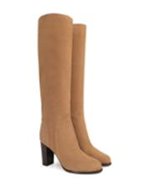 | Sergio Rossi | Sergio Rossi | A10061MCAM012501 | A10061-MCAM01-2501 | Women | SHOES | BOOTS | A10061 | ROYAL STIVALE | BAOBAB | W SHOES |  |  |  |  |  |  |  |  |  |  |  |  |  |  |  | 1 |  | 1 | Italy | € 995.00 | € 995.00 | € 194.03 | € 194.03 | £173.24 | £173.24
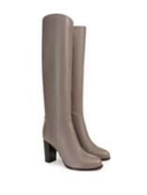 | Sergio Rossi | Sergio Rossi | A10061MNA5021640 | A10061-MNA502-1640 | Women | SHOES | BOOTS | A10061 | NAPPA PS | FOGGY GREY | W SHOES |  |  |  |  |  |  |  |  |  |  |  |  |  | 1 |  |  |  | 1 | Italy | € 995.00 | € 995.00 | € 194.03 | € 194.03 | £173.24 | £173.24
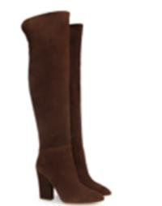 | Sergio Rossi | Sergio Rossi | A73380MCR1052900 | A73380-MCR105-2900 | Women | SHOES | BOOTS | A73380 | CROSTA SAVANA | CAMEL | W SHOES |  |  |  |  |  |  |  |  |  |  |  |  |  |  | 1 |  |  | 1 | Italy | € 1,200.00 | € 1,200.00 | € 234.01 | € 234.01 | £208.93 | £208.93
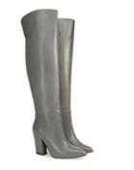 | Sergio Rossi | Sergio Rossi | A73380MNAN071715 | A73380-MNAN07-1715 | Women | SHOES | BOOTS | A73380 | NAPPA SEVENTY | SMOKE | W SHOES |  |  |  |  |  |  | 2 |  |  |  |  |  |  |  |  |  |  | 2 | Italy | € 1,200.00 | € 2,400.00 | € 234.01 | € 468.01 | £208.93 | £417.87
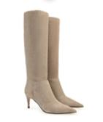 | Sergio Rossi | Sergio Rossi | A78990MCRM131504 | A78990-MCRM13-1504 | Women | SHOES | BOOTS | A78990 | SUEDED CALF | TAUPE | W SHOES |  |  |  |  |  |  |  |  | 1 |  |  |  |  |  |  |  |  | 1 | Italy | € 995.00 | € 995.00 | € 194.03 | € 194.03 | £173.24 | £173.24
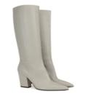 | Sergio Rossi | Sergio Rossi | A85412MNAN071541 | A85412-MNAN07-1541 | Women | SHOES | BOOTS | A85412 | NAPPA SEVENTY | NEBBIA | W SHOES |  |  |  |  |  |  |  |  |  | 1 |  |  |  |  |  |  |  | 1 | Italy | € 995.00 | € 995.00 | € 194.03 | € 194.03 | £173.24 | £173.24
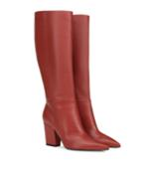 | Sergio Rossi | Sergio Rossi | A85412MNAN076302 | A85412-MNAN07-6302 | Women | SHOES | BOOTS | A85412 | NAPPA SEVENTY | RUGGINE | W SHOES |  |  |  |  |  |  |  |  |  |  |  |  |  |  | 1 |  |  | 1 | Italy | € 995.00 | € 995.00 | € 194.03 | € 194.03 | £173.24 | £173.24
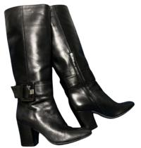 | Sergio Rossi | Sergio Rossi | A85881MNAN071000 | A85881-MNAN07-1000 | Women | SHOES | BOOTS | A85881 | NAPPA SEVENTY | NERO | W SHOES |  |  |  |  | 1 |  |  |  |  |  |  |  |  |  |  |  |  | 1 | Italy | € 1,100.00 | € 1,100.00 | € 214.51 | € 214.51 | £191.52 | £191.52
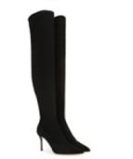 | Sergio Rossi | Sergio Rossi | A91690MAF7141000 | A91690-MAF714-1000 | Women | SHOES | BOOTS | A91690 | SCAMOSCIATO + SCAMOSCIATO STRETCH | NERO | W SHOES |  |  |  |  |  |  |  |  |  |  | 1 |  |  |  |  |  |  | 1 | Italy | € 1,200.00 | € 1,200.00 | € 234.01 | € 234.01 | £208.93 | £208.93
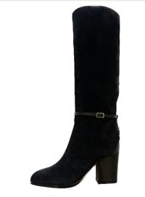 | Sergio Rossi | Sergio Rossi | A95781MAF4421000 | A95781-MAF442-1000 | Women | SHOES | BOOTS | A95781 | SOFTY EXTRA + NAPPA | NERO | W SHOES |  |  |  |  |  |  |  |  |  |  |  |  | 1 |  |  |  |  | 1 | Italy | € 950.00 | € 950.00 | € 185.25 | € 185.25 | £165.41 | £165.41
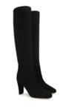 | Sergio Rossi | Sergio Rossi | A95831MCAM041000 | A95831-MCAM04-1000 | Women | SHOES | BOOTS | A95831 | ROYAL T.GRANDE | NERO | W SHOES |  |  |  |  |  |  |  |  |  |  |  |  |  |  | 1 |  |  | 1 | Italy | € 1,100.00 | € 1,100.00 | € 214.51 | € 214.51 | £191.52 | £191.52
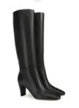 | Sergio Rossi | Sergio Rossi | A95831MNAN071000 | A95831-MNAN07-1000 | Women | SHOES | BOOTS | A95831 | NAPPA SEVENTY | NERO | W SHOES |  |  |  |  |  |  |  |  |  |  |  |  | 1 |  |  |  |  | 1 | Italy | € 1,100.00 | € 1,100.00 | € 214.51 | € 214.51 | £191.52 | £191.52
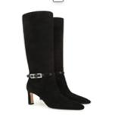 | Sergio Rossi | Sergio Rossi | A99770MFL2311000 | A99770-MFL231-1000 | Women | SHOES | BOOTS | A99770 | ROYAL+JAMAA SOFT | NERO | W SHOES |  |  |  | 1 |  |  |  |  |  |  |  |  |  |  |  |  |  | 1 | Italy | € 1,300.00 | € 1,300.00 | € 253.51 | € 253.51 | £226.35 | £226.35
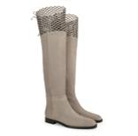 | Sergio Rossi | Sergio Rossi | B09270MCAZ011504 | B09270-MCAZ01-1504 | Women | SHOES | BOOTS | B09270 | ROYAL | TAUPE | W SHOES |  |  |  |  | 1 |  |  |  | 1 |  |  |  |  |  |  |  |  | 2 | Italy | € 1,500.00 | € 3,000.00 | € 292.51 | € 585.02 | £261.17 | £522.33
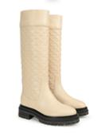 | Sergio Rossi | Sergio Rossi | B09330MNAN079180 | B09330-MNAN07-9180 | Women | SHOES | BOOTS | B09330 | NAPPA SEVENTY | CHALK | W SHOES |  |  |  |  |  |  |  |  | 4 |  |  |  |  |  |  |  |  | 4 | Italy | € 1,400.00 | € 5,600.00 | € 273.01 | € 1,092.03 | £243.76 | £975.03
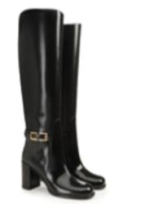 | Sergio Rossi | Sergio Rossi | B09430MVIH151000 | B09430-MVIH15-1000 | Women | SHOES | BOOTS | B09430 | GAUCHO | NERO | W SHOES |  |  | 1 |  |  |  |  |  |  |  | 1 |  | 1 |  |  |  |  | 3 | Italy | € 1,300.00 | € 3,900.00 | € 253.51 | € 760.52 | £226.35 | £679.04
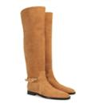 | Sergio Rossi | Sergio Rossi | B09470MCRM132180 | B09470-MCRM13-2180 | Women | SHOES | BOOTS | B09470 | SOFTY EXTRA | TABACCO | W SHOES |  |  |  |  |  |  |  |  |  |  | 1 |  |  |  |  |  |  | 1 | Italy | € 1,400.00 | € 1,400.00 | € 273.01 | € 273.01 | £243.76 | £243.76
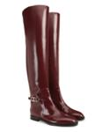 | Sergio Rossi | Sergio Rossi | B09470MVIH156024 | B09470-MVIH15-6024 | Women | SHOES | BOOTS | B09470 | GAUCHO | WINE | W SHOES |  |  |  |  |  |  | 1 |  |  |  |  |  |  |  |  |  |  | 1 | Italy | € 1,400.00 | € 1,400.00 | € 273.01 | € 273.01 | £243.76 | £243.76
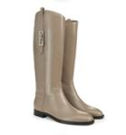 | Sergio Rossi | Sergio Rossi | B09480MVIH151504 | B09480-MVIH15-1504 | Women | SHOES | BOOTS | B09480 | GAUCHO | TAUPE | W SHOES |  |  | 1 | 1 | 7 |  | 8 |  |  |  | 12 |  |  |  |  |  |  | 29 | Italy | € 1,200.00 | € 34,800.00 | € 234.01 | € 6,786.17 | £208.93 | £6,059.08
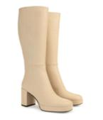 | Sergio Rossi | Sergio Rossi | B09500MNAN079180 | B09500-MNAN07-9180 | Women | SHOES | BOOTS | B09500 | NAPPA SEVENTY | CHALK | W SHOES |  |  | 3 | 2 | 1 | 2 | 2 | 6 | 5 | 4 |  |  |  |  |  |  |  | 25 | Italy | € 1,200.00 | € 30,000.00 | € 234.01 | € 5,850.15 | £208.93 | £5,223.35
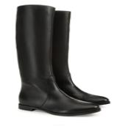 | Sergio Rossi | Sergio Rossi | B09590MNAN071000 | B09590-MNAN07-1000 | Women | SHOES | BOOTS | B09590 | NAPPA SEVENTY | NERO | W SHOES |  |  |  |  |  |  |  |  | 1 |  |  |  |  |  |  |  | 1 | 2 | Italy | € 850.00 | € 1,700.00 | € 165.75 | € 331.51 | £147.99 | £295.99
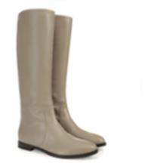 | Sergio Rossi | Sergio Rossi | B09590MNAN071504 | B09590-MNAN07-1504 | Women | SHOES | BOOTS | B09590 | NAPPA SEVENTY | TAUPE | W SHOES |  |  |  |  | 1 |  |  |  |  |  |  |  |  |  |  |  |  | 1 | Italy | € 850.00 | € 850.00 | € 165.75 | € 165.75 | £147.99 | £147.99
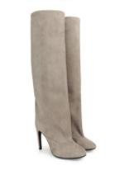 | Sergio Rossi | Sergio Rossi | B09610MCAZ011504 | B09610-MCAZ01-1504 | Women | SHOES | BOOTS | B09610 | ROYAL | TAUPE | W SHOES |  |  |  |  |  |  | 1 |  |  |  |  |  |  |  |  |  |  | 1 | Italy | € 1,200.00 | € 1,200.00 | € 234.01 | € 234.01 | £208.93 | £208.93
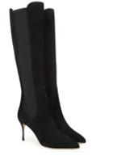 | Sergio Rossi | Sergio Rossi | B09700MCAZ011000 | B09700-MCAZ01-1000 | Women | SHOES | BOOTS | B09700 | ROYAL | NERO | W SHOES |  |  |  |  |  | 1 |  |  |  |  |  |  |  |  |  |  |  | 1 | Italy | € 995.00 | € 995.00 | € 194.03 | € 194.03 | £173.24 | £173.24
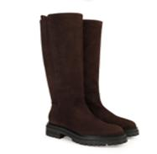 | Sergio Rossi | Sergio Rossi | B12600MCAM012204 | B12600-MCAM01-2204 | Women | SHOES | BOOTS | B12600 | ROYAL STIVALE | FONDENTE | W SHOES |  |  |  |  |  |  |  |  |  |  |  | 1 |  |  |  |  |  | 1 | Italy | € 1,100.00 | € 1,100.00 | € 214.51 | € 214.51 | £191.52 | £191.52
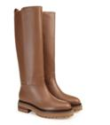 | Sergio Rossi | Sergio Rossi | B12600MNAN132436 | B12600-MNAN13-2436 | Women | SHOES | BOOTS | B12600 | NAPPA PS25 | CARAMEL | W SHOES |  |  | 1 | 2 |  |  |  |  |  |  | 1 |  | 1 |  |  |  |  | 5 | Italy | € 1,100.00 | € 5,500.00 | € 214.51 | € 1,072.53 | £191.52 | £957.61
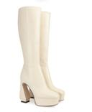 | Sergio Rossi | Sergio Rossi | A96610MNAG019180 | A96610-MNAG01-9180 | Women | SHOES | BOOTS | A96610 | NAPPA SOFT | CHALK | W SHOES |  |  |  |  |  |  |  |  |  |  |  | 1 |  |  |  |  |  | 1 | Italy | € 1,100.00 | € 1,100.00 | € 214.51 | € 214.51 | £191.52 | £191.52
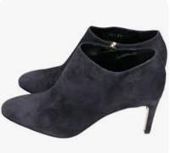 Only For Style | Sergio Rossi | Sergio Rossi | A71451MNA5013518 | A71451-MNA501-3518 | Women | SHOES | BOOTS | A71451 | NAPPA PS | MILITARY | W SHOES |  |  |  |  |  |  |  |  |  |  |  |  |  |  |  |  | 1 | 1 | Italy | € 700.00 | € 700.00 | € 136.50 | € 136.50 | £121.88 | £121.88
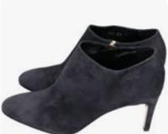 Only For Style | Sergio Rossi | Sergio Rossi | A71451MNA2012408 | A71451-MNA201-2408 | Women | SHOES | BOOTS | A71451 | NAPPA AM | BROWN | W SHOES |  |  |  |  |  |  |  |  | 1 |  |  |  |  |  |  |  |  | 1 | Italy | € 700.00 | € 700.00 | € 136.50 | € 136.50 | £121.88 | £121.88
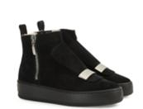 | Sergio Rossi | Sergio Rossi | A82050MCRM131000 | A82050-MCRM13-1000 | Women | SHOES | BOOTS | A82050 | SOFTY EXTRA | BLACK+FONDO NERO | W SHOES |  |  |  |  |  |  |  |  | 1 |  |  |  |  |  |  |  |  | 1 | Italy | € 730.00 | € 730.00 | € 142.35 | € 142.35 | £127.10 | £127.10
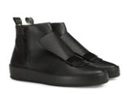 | Sergio Rossi | Sergio Rossi | A82050MVIR141000 | A82050-MVIR14-1000 | Women | SHOES | BOOTS | A82050 | NEW CANADA | BLACK+FONDO NERO | W SHOES | 1 |  |  |  |  |  |  |  |  |  |  |  |  |  |  |  |  | 1 | Italy | € 730.00 | € 730.00 | € 142.35 | € 142.35 | £127.10 | £127.10
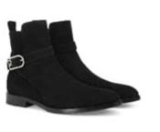 Only For Style | Sergio Rossi | Sergio Rossi | A84010MCAM041000 | A84010-MCAM04-1000 | Women | SHOES | BOOTS | A84010 | ROYAL T.GRANDE | NERO | W SHOES |  |  |  |  |  |  |  |  |  |  |  |  |  |  | 1 |  |  | 1 | Italy | € 695.00 | € 695.00 | € 135.53 | € 135.53 | £121.01 | £121.01
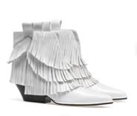 | Sergio Rossi | Sergio Rossi | A84660MFN6039000 | A84660-MFN603-9000 | Women | SHOES | BOOTS | A84660 | NAPPA SUMMER | BIANCO | W SHOES |  |  | 1 |  |  |  |  |  |  |  |  |  |  |  |  |  |  | 1 | Italy | € 850.00 | € 850.00 | € 165.75 | € 165.75 | £147.99 | £147.99
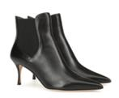 | Sergio Rossi | Sergio Rossi | A85470MAGN051000 | A85470-MAGN05-1000 | Women | SHOES | BOOTS | A85470 | NAPLYS | BLACK | W SHOES |  |  |  |  |  |  |  |  |  |  |  |  | 1 |  |  |  |  | 1 | Italy | € 850.00 | € 850.00 | € 165.75 | € 165.75 | £147.99 | £147.99
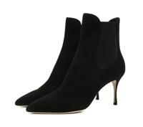 | Sergio Rossi | Sergio Rossi | A85470MCAZ011000 | A85470-MCAZ01-1000 | Women | SHOES | BOOTS | A85470 | SUEDE | BLACK | W SHOES |  | 1 |  |  |  |  |  |  |  |  |  |  |  | 1 |  |  |  | 2 | Italy | € 850.00 | € 1,700.00 | € 165.75 | € 331.51 | £147.99 | £295.99
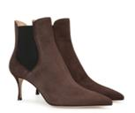 | Sergio Rossi | Sergio Rossi | A85470MCAZ012204 | A85470-MCAZ01-2204 | Women | SHOES | BOOTS | A85470 | SUEDE | FONDENTE | W SHOES |  |  | 1 |  |  |  |  |  |  |  |  |  | 1 |  |  |  |  | 2 | Italy | € 850.00 | € 1,700.00 | € 165.75 | € 331.51 | £147.99 | £295.99
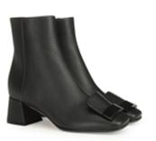 | Sergio Rossi | Sergio Rossi | A90590MVIR141000 | A90590-MVIR14-1000 | Women | SHOES | BOOTS | A90590 | NEW CANADA | BLACK | W SHOES |  |  | 1 |  |  |  |  |  |  |  |  |  |  |  |  |  |  | 1 | Italy | € 850.00 | € 850.00 | € 165.75 | € 165.75 | £147.99 | £147.99
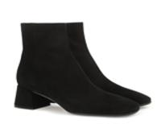 | Sergio Rossi | Sergio Rossi | A91220MCAZ011000 | A91220-MCAZ01-1000 | Women | SHOES | BOOTS | A91220 | ROYAL | NERO | W SHOES |  |  |  |  |  |  |  | 1 |  |  |  |  |  |  |  |  |  | 1 | Italy | € 795.00 | € 795.00 | € 155.03 | € 155.03 | £138.42 | £138.42
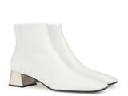 | Sergio Rossi | Sergio Rossi | A91220MFI5939000 | A91220-MFI593-9000 | Women | SHOES | BOOTS | A91220 | NAPPA+TACCO CROMATO | BIANCO+PALLADIO | W SHOES |  |  |  |  |  |  | 1 |  |  |  |  |  |  |  |  |  |  | 1 | Italy | € 795.00 | € 795.00 | € 155.03 | € 155.03 | £138.42 | £138.42
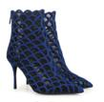 | Sergio Rossi | Sergio Rossi | B10590MAFM464578 | B10590-MAFM46-4578 | Women | SHOES | BOOTS | B10590 | ROYAL + RETE | DUSK/NERO | W SHOES |  |  |  |  | 1 |  |  |  |  |  |  |  | 1 |  |  |  |  | 2 | Italy | € 1,300.00 | € 2,600.00 | € 253.51 | € 507.01 | £226.35 | £452.69
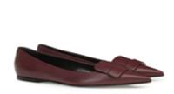 | Sergio Rossi | Sergio Rossi | A78960MFI9686024 | A78960-MFI968-6024 | Women | SHOES | SHOES | A78960 | NAPPA+ACC. FASC. PELLE | WINE | W SHOES |  |  |  |  | 1 |  |  |  |  |  |  |  |  |  |  |  |  | 1 | Italy | € 595.00 | € 595.00 | € 116.03 | € 116.03 | £103.60 | £103.60
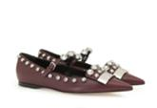 | Sergio Rossi | Sergio Rossi | A81180MFN3366017 | A81180-MFN336-6017 | Women | SHOES | SHOES | A81180 | NAPLYS + PIETRE | WINE+PALL./CRYSTAL | W SHOES |  |  |  |  |  |  | 1 |  |  |  |  |  |  |  |  |  |  | 1 | Italy | € 795.00 | € 795.00 | € 155.03 | € 155.03 | £138.42 | £138.42
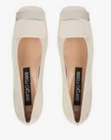 Only For Style | Sergio Rossi | Sergio Rossi | A83770MVIV011965 | A83770-MVIV01-1965 | Women | SHOES | SHOES | A83770 | VERNICE SOFT | REEF | W SHOES |  |  |  |  |  |  |  |  |  |  |  |  |  | 1 |  |  |  | 1 | Italy | € 595.00 | € 595.00 | € 116.03 | € 116.03 | £103.60 | £103.60
Only For Style | Sergio Rossi | Sergio Rossi | A83770MVIV012222 | A83770-MVIV01-2222 | Women | SHOES | SHOES | A83770 | VERNICE SOFT | TAN | W SHOES |  |  |  |  |  |  |  |  |  |  | 1 |  |  |  |  |  |  | 1 | Italy | € 595.00 | € 595.00 | € 116.03 | € 116.03 | £103.60 | £103.60
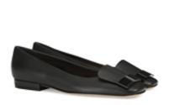 | Sergio Rossi | Sergio Rossi | A83770MMVR131000 | A83770-MMVR13-1000 | Women | SHOES | SHOES | A83770 | CANADA | NERO | W SHOES |  | 1 |  |  |  |  |  |  |  |  |  |  |  |  |  |  |  | 1 | Italy | € 595.00 | € 595.00 | € 116.03 | € 116.03 | £103.60 | £103.60
Only For Style | Sergio Rossi | Sergio Rossi | A83770MCA5031000 | A83770-MCA503-1000 | Women | SHOES | SHOES | A83770 | ROYAL PS tg.Grande | NERO | W SHOES |  |  |  |  | 1 |  |  |  |  |  |  |  |  |  |  |  |  | 1 | Italy | € 595.00 | € 595.00 | € 116.03 | € 116.03 | £103.60 | £103.60
 | Sergio Rossi | Sergio Rossi | A83770MMVM013119 | A83770-MMVM01-3119 | Women | SHOES | SHOES | A83770 | NABUCK | AGAVE | W SHOES |  |  | 1 |  |  |  |  |  |  |  |  |  |  |  |  |  |  | 1 | Italy | € 595.00 | € 595.00 | € 116.03 | € 116.03 | £103.60 | £103.60
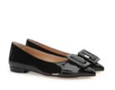 | Sergio Rossi | Sergio Rossi | A86530MVIV141000 | A86530-MVIV14-1000 | Women | SHOES | SHOES | A86530 | VITELLINO VERNICE PS | NERO | W SHOES |  |  |  |  | 1 |  |  |  |  |  |  |  |  |  |  |  |  | 1 | Italy | € 585.00 | € 585.00 | € 114.08 | € 114.08 | £101.86 | £101.86
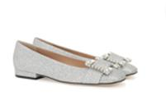 | Sergio Rossi | Sergio Rossi | A92270MTE1018102 | A92270-MTE101-8102 | Women | SHOES | SHOES | A92270 | GLITTER MINI | ARGENTO | W SHOES |  |  |  |  |  |  | 1 |  |  |  |  |  |  |  |  |  |  | 1 | Italy | € 750.00 | € 750.00 | € 146.25 | € 146.25 | £130.58 | £130.58
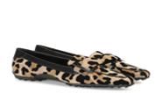 | Sergio Rossi | Sergio Rossi | A94010MFI4169357 | A94010-MFI416-9357 | Women | SHOES | SHOES | A94010 | LEO FLOCK+SPORT CALF | VAR.NATURALE(var. natural | W SHOES |  |  |  |  |  |  | 1 |  |  |  |  |  |  |  |  |  |  | 1 | Italy | € 630.00 | € 630.00 | € 122.85 | € 122.85 | £109.69 | £109.69
 | Sergio Rossi | Sergio Rossi | B07110MFL2225859 | B07110-MFL222-5859 | Women | SHOES | SHOES | B07110 | ROYAL+STRASS COLOR | PETALO+AB CRYSTAL | W SHOES |  |  |  |  |  | 1 |  |  |  |  |  |  |  |  |  |  |  | 1 | Italy | € 950.00 | € 950.00 | € 185.25 | € 185.25 | £165.41 | £165.41
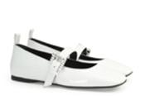 | Sergio Rossi | Sergio Rossi | B07390MVIV019000 | B07390-MVIV01-9000 | Women | SHOES | SHOES | B07390 | VERNICE SOFT | BIANCO | W SHOES |  |  |  |  | 1 |  |  |  |  |  |  |  |  |  |  |  |  | 1 | Italy | € 730.00 | € 730.00 | € 142.35 | € 142.35 | £127.10 | £127.10
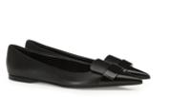 | Sergio Rossi | Sergio Rossi | B07630MFN5951000 | B07630-MFN595-1000 | Women | SHOES | SHOES | B07630 | VERNICE SOFT+NAPPA | NERO/NERO | W SHOES |  |  |  |  |  |  |  |  |  |  |  |  |  |  | 1 |  |  | 1 | Italy | € 710.00 | € 710.00 | € 138.45 | € 138.45 | £123.62 | £123.62
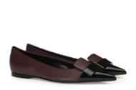 | Sergio Rossi | Sergio Rossi | B07630MFN5956017 | B07630-MFN595-6017 | Women | SHOES | SHOES | B07630 | VERNICE SOFT+NAPPA | NERO/WINE | W SHOES |  |  |  |  |  |  |  |  | 1 |  |  |  |  |  |  |  |  | 1 | Italy | € 710.00 | € 710.00 | € 138.45 | € 138.45 | £123.62 | £123.62
 | Sergio Rossi | Sergio Rossi | B07630MFN5959565 | B07630-MFN595-9565 | Women | SHOES | SHOES | B07630 | VERNICE SOFT+NAPPA | BIANCO/TAUPE | W SHOES |  |  | 1 |  |  |  |  |  | 1 |  |  |  |  |  |  |  |  | 2 | Italy | € 710.00 | € 1,420.00 | € 138.45 | € 276.91 | £123.62 | £247.24
Only For Style | Sergio Rossi | Sergio Rossi | B07630MAFZ731542 | B07630-MAFZ73-1542 | Women | SHOES | SHOES | B07630 | VIT.VERNICE SOFT + ROYAL | NERO/NEBBIA | W SHOES |  |  |  |  |  |  |  | 1 |  |  |  |  |  |  |  |  |  | 1 | Italy | € 710.00 | € 710.00 | € 138.45 | € 138.45 | £123.62 | £123.62
 | Sergio Rossi | Sergio Rossi | B09220MAFM391039 | B09220-MAFM39-1039 | Women | SHOES | SHOES | B09220 | ROYAL + STRASS | NERO/JET | W SHOES |  |  |  |  |  |  | 1 |  |  |  |  |  |  |  |  |  |  | 1 | Italy | € 810.00 | € 810.00 | € 157.95 | € 157.95 | £141.03 | £141.03
 | Sergio Rossi | Sergio Rossi | B09220MCAZ011000 | B09220-MCAZ01-1000 | Women | SHOES | SHOES | B09220 | ROYAL | NERO | W SHOES |  |  |  |  |  |  |  |  |  |  |  |  |  |  | 1 |  |  | 1 | Italy | € 575.00 | € 575.00 | € 112.13 | € 112.13 | £100.11 | £100.11
 | Sergio Rossi | Sergio Rossi | B09220MFL1401000 | B09220-MFL140-1000 | Women | SHOES | SHOES | B09220 | NAPPA+STRASS | NERO/CRYSTAL | W SHOES |  |  |  |  | 1 |  |  |  |  |  |  |  |  |  |  |  |  | 1 | Italy | € 810.00 | € 810.00 | € 157.95 | € 157.95 | £141.03 | £141.03
 | Sergio Rossi | Sergio Rossi | B09720MAFM461000 | B09720-MAFM46-1000 | Women | SHOES | SHOES | B09720 | ROYAL + RETE | NERO | W SHOES |  | 2 | 1 |  |  |  | 1 | 1 |  |  |  |  |  |  |  |  |  | 5 | Italy | € 875.00 | € 4,375.00 | € 170.63 | € 853.15 | £152.35 | £761.74
 | Sergio Rossi | Sergio Rossi | B09820MNAN071000 | B09820-MNAN07-1000 | Women | SHOES | SHOES | B09820 | NAPPA SEVENTY | NERO | W SHOES |  |  | 2 |  | 1 |  |  |  |  |  |  |  |  |  |  |  |  | 3 | Italy | € 750.00 | € 2,250.00 | € 146.25 | € 438.76 | £130.58 | £391.75
 | Sergio Rossi | Sergio Rossi | B09820MTEZ021000 | B09820-MTEZ02-1000 | Women | SHOES | SHOES | B09820 | CREPE SATIN | NERO | W SHOES |  |  | 1 |  |  |  |  |  |  |  |  |  |  |  |  |  |  | 1 | Italy | € 730.00 | € 730.00 | € 142.35 | € 142.35 | £127.10 | £127.10
 | Sergio Rossi | Sergio Rossi | B09840MNAN071000 | B09840-MNAN07-1000 | Women | SHOES | SHOES | B09840 | NAPPA SEVENTY | NERO | W SHOES |  |  |  |  | 1 |  |  |  |  |  |  |  |  |  |  |  |  | 1 | Italy | € 730.00 | € 730.00 | € 142.35 | € 142.35 | £127.10 | £127.10
 | Sergio Rossi | Sergio Rossi | B10470MTE3652180 | B10470-MTE365-2180 | Women | SHOES | SHOES | B10470 | FREEZZY | TABACCO | W SHOES |  |  |  |  | 1 |  |  |  |  |  |  |  |  |  |  |  |  | 1 | Italy | € 630.00 | € 630.00 | € 122.85 | € 122.85 | £109.69 | £109.69
 | Sergio Rossi | Sergio Rossi | B12550MFI3739565 | B12550-MFI373-9565 | Women | SHOES | SHOES | B12550 | TRIBUTE+VERNICE | BIANCO+NERO | W SHOES |  |  | 2 |  |  |  |  |  | 1 |  |  |  |  |  |  |  |  | 3 | Italy | € 510.00 | € 1,530.00 | € 99.45 | € 298.36 | £88.80 | £266.39
 | Sergio Rossi | Sergio Rossi | B12550MFL3271000 | B12550-MFL327-1000 | Women | SHOES | SHOES | B12550 | NAPPA+VERNICE | NERO | W SHOES |  |  |  |  |  | 1 |  |  |  |  |  |  |  |  |  |  |  | 1 | Italy | € 510.00 | € 510.00 | € 99.45 | € 99.45 | £88.80 | £88.80
 | Sergio Rossi | Sergio Rossi | B10290MFN9281000 | B10290-MFN928-1000 | Women | SHOES | SHOES | B10290 | PIZZO + CREPE SATIN | NERO | W SHOES |  |  | 1 |  | 2 |  |  |  |  |  |  |  |  |  |  |  |  | 3 | Italy | € 495.00 | € 1,485.00 | € 96.53 | € 289.58 | £86.19 | £258.56
 | Sergio Rossi | Sergio Rossi | B10900MCAS296790 | B10900-MCAS29-6790 | Women | SHOES | SHOES | B10900 | MINI LEO FLOCK | NATURALE | W SHOES |  |  |  |  |  | 1 |  |  |  |  |  |  |  |  |  |  |  | 1 | Italy | € 495.00 | € 495.00 | € 96.53 | € 96.53 | £86.19 | £86.19
 | Sergio Rossi | Sergio Rossi | A82490MVIA121000 | A82490-MVIA12-1000 | Women | SHOES | SHOES | A82490 | ABRASIVATO PS | NERO | W SHOES |  |  |  | 1 |  |  |  |  |  |  |  |  |  |  |  |  |  | 1 | Italy | € 330.00 | € 330.00 | € 64.35 | € 64.35 | £57.46 | £57.46
 | Sergio Rossi | Sergio Rossi | A59440MVIV125772 | A59440-MVIV12-5772 | Women | SHOES | SANDALS | A59440 | VERNICE METAL | CYCLAMEN | W SHOES |  |  |  |  |  |  | 1 |  |  |  |  |  |  |  |  |  |  | 1 | Italy | € 530.00 | € 530.00 | € 103.35 | € 103.35 | £92.28 | £92.28
 | Sergio Rossi | Sergio Rossi | A59440MNA5019180 | A59440-MNA501-9180 | Women | SHOES | SANDALS | A59440 | NAPPA PS | CHALK | W SHOES |  |  |  |  |  |  |  |  |  | 1 |  |  |  |  |  |  |  | 1 | Italy | € 530.00 | € 530.00 | € 103.35 | € 103.35 | £92.28 | £92.28
 | Sergio Rossi | Sergio Rossi | A59440MNAT016720 | A59440-MNAT01-6720 | Women | SHOES | SANDALS | A59440 | NAPPA GOLF | LED | W SHOES |  |  |  |  |  |  | 1 |  |  |  |  |  |  | 1 |  |  |  | 2 | Italy | € 530.00 | € 1,060.00 | € 103.35 | € 206.71 | £92.28 | £184.56
 | Sergio Rossi | Sergio Rossi | A79770MCAZ012501 | A79770-MCAZ01-2501 | Women | SHOES | SANDALS | A79770 | ROYAL | BAOBAB | W SHOES |  |  |  |  |  |  | 1 |  |  |  |  |  |  |  |  |  |  | 1 | Italy | € 530.00 | € 530.00 | € 103.35 | € 103.35 | £92.28 | £92.28
 | Sergio Rossi | Sergio Rossi | A87600MNA5019180 | A87600-MNA501-9180 | Women | SHOES | SANDALS | A87600 | NAPPA PS | CHALK | W SHOES |  |  |  |  |  |  |  |  | 1 |  |  |  |  |  |  |  |  | 1 | Italy | € 750.00 | € 750.00 | € 146.25 | € 146.25 | £130.58 | £130.58
 | Sergio Rossi | Sergio Rossi | B07170MINL018172 | B07170-MINL01-8172 | Women | SHOES | SANDALS | B07170 | ROCHER LAME' | ORO+FOD.NATURAL | W SHOES |  |  |  | 1 |  |  |  |  |  |  |  |  |  |  |  |  |  | 1 | Italy | € 695.00 | € 695.00 | € 135.53 | € 135.53 | £121.01 | £121.01
 | Sergio Rossi | Sergio Rossi | B07170MINL018198 | B07170-MINL01-8198 | Women | SHOES | SANDALS | B07170 | ROCHER LAME' | ARGENTO+FOD.NATURAL | W SHOES |  |  |  |  |  |  |  |  | 1 |  | 1 |  |  |  |  |  |  | 2 | Italy | € 695.00 | € 1,390.00 | € 135.53 | € 271.06 | £121.01 | £242.02
Only For Style | Sergio Rossi | Sergio Rossi | B07170MNA3041000 | B07170-MNA304-1000 | Women | SHOES | SANDALS | B07170 | NAPPA CAGE | NERO | W SHOES |  |  |  |  | 1 |  | 1 |  |  |  |  |  |  |  |  |  |  | 2 | Italy | € 695.00 | € 1,390.00 | € 135.53 | € 271.06 | £121.01 | £242.02
 | Sergio Rossi | Sergio Rossi | B07170MNA3045821 | B07170-MNA304-5821 | Women | SHOES | SANDALS | B07170 | NAPPA CAGE | BUGANVILIA | W SHOES |  |  |  |  | 1 |  |  |  |  |  |  |  |  |  |  |  |  | 1 | Italy | € 695.00 | € 695.00 | € 135.53 | € 135.53 | £121.01 | £121.01
 | Sergio Rossi | Sergio Rossi | B08280MNAN079000 | B08280-MNAN07-9000 | Women | SHOES | SANDALS | B08280 | NAPPA SEVENTY | BIANCO | W SHOES |  |  |  |  |  |  |  |  |  |  |  |  | 1 |  |  |  |  | 1 | Italy | € 730.00 | € 730.00 | € 142.35 | € 142.35 | £127.10 | £127.10
 | Sergio Rossi | Sergio Rossi | B08410MNAZ035903 | B08410-MNAZ03-5903 | Women | SHOES | SANDALS | B08410 | NAPPA SILK | LIGHT ROSE | W SHOES | 1 |  | 2 | 3 | 1 | 2 | 1 | 2 |  | 1 |  |  |  |  |  |  |  | 13 | Italy | € 630.00 | € 8,190.00 | € 122.85 | € 1,597.09 | £109.69 | £1,425.97
 | Sergio Rossi | Sergio Rossi | B10390MFL2351000 | B10390-MFL235-1000 | Women | SHOES | SANDALS | B10390 | CINIGLIA+NAPPA | NERO | W SHOES |  |  |  |  | 3 |  |  |  |  |  |  |  |  |  |  |  |  | 3 | Italy | € 675.00 | € 2,025.00 | € 131.63 | € 394.89 | £117.53 | £352.58
 | Sergio Rossi | Sergio Rossi | B10390MFL2355590 | B10390-MFL235-5590 | Women | SHOES | SANDALS | B10390 | CINIGLIA+NAPPA | FUXIA | W SHOES |  |  |  |  |  |  |  |  | 1 |  |  |  |  |  |  |  |  | 1 | Italy | € 675.00 | € 675.00 | € 131.63 | € 131.63 | £117.53 | £117.53
 | Sergio Rossi | Sergio Rossi | B10390MNAN079000 | B10390-MNAN07-9000 | Women | SHOES | SANDALS | B10390 | NAPPA SEVENTY | BIANCO | W SHOES |  |  |  |  |  |  |  |  | 1 |  |  |  |  |  |  |  |  | 1 | Italy | € 595.00 | € 595.00 | € 116.03 | € 116.03 | £103.60 | £103.60
 | Sergio Rossi | Sergio Rossi | A80610MTE1211498 | A80610-MTE121-1498 | Women | SHOES | SHOES | A80610 | TESSUTO PORTOFINO | VAR.NERO | W SHOES |  |  |  |  |  |  | 1 |  |  |  |  |  |  |  |  |  |  | 1 | Italy | € 395.00 | € 395.00 | € 77.03 | € 77.03 | £68.77 | £68.77
 | Sergio Rossi | Sergio Rossi | A80570MCAZ012534 | A80570-MCAZ01-2534 | Women | SHOES | SHOES | A80570 | ROYAL | CUIR | W SHOES |  |  |  |  |  | 1 |  |  |  |  |  |  |  |  |  |  |  | 1 | Italy | € 575.00 | € 575.00 | € 112.13 | € 112.13 | £100.11 | £100.11
 | Sergio Rossi | Sergio Rossi | B07400MVIV015858 | B07400-MVIV01-5858 | Women | SHOES | SHOES | B07400 | VERNICE SOFT | PETALO | W SHOES |  | 1 |  |  | 2 |  |  |  |  |  |  |  |  |  |  |  |  | 3 | Italy | € 795.00 | € 2,385.00 | € 155.03 | € 465.09 | £138.42 | £415.26
Not For Color | Sergio Rossi | Sergio Rossi | B07400MVIV019000 | B07400-MVIV01-9000 | Women | SHOES | SHOES | B07400 | VERNICE SOFT | BIANCO | W SHOES |  |  |  | 1 |  |  |  |  |  | 1 |  |  |  |  |  |  |  | 2 | Italy | € 795.00 | € 1,590.00 | € 155.03 | € 310.06 | £138.42 | £276.84
...

