OFFER
REF
NAME*
COMPANY NAME
DATE*
SALES REP*
EMAIL*
PHONE #*
PAYMENT CURRENCY (€/£)*
BILLING ADDRESS*
ORDER NUMBER
PRE/IN HAND
DELIVERY TYPE

Picture | BRAND | Articolo | Descrizione | Col. | MEAUREMENTS | COMPOSIZIONE | QTY | RRP € | RRP TOT € | COST € | COST TOTAL € | COST £ | COST TOT £
 | JACQUEMUS | Il Chiquito homme | BAG | BLACK | 12x9 cm | 100% Cowskin | 34 | € 595.00 | € 20,230.00 | € 185.63 | € 6,311.25 | £164.27 | £5,585.18
 | JACQUEMUS | Le Chiquito Moyen | BAG | BLACK GOLD | 18 x 13,5 cm | 100% Leather | 8 | € 780.00 | € 6,240.00 | € 243.00 | € 1,944.00 | £215.04 | £1,720.35
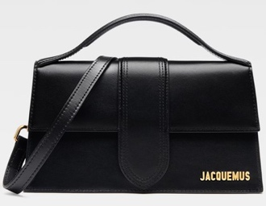 | JACQUEMUS | Le grand Bambino | BAG | BLACK/GOLD | 23,5 x 13 cm | 100% Leather | 100 | € 885.00 | € 88,500.00 | € 276.75 | € 27,675.00 | £244.91 | £24,491.15
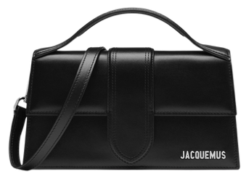 | JACQUEMUS | Le grand Bambino | BAG | BLACK / SILVER | 23,5 x 13 cm | 100% Leather | 100 | € 885.00 | € 88,500.00 | € 276.75 | € 27,675.00 | £244.91 | £24,491.15
 | JACQUEMUS | Le grand Bambino | BAG | BLACK/COCCO | 23,5 x 13 cm | 100% Leather | 6 | € 995.00 | € 5,970.00 | € 310.50 | € 1,863.00 | £274.78 | £1,648.67
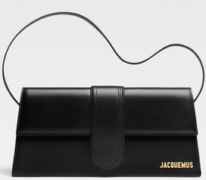 | JACQUEMUS | Le Bambino Long | BAG | BLACK | 28 x 13,5 | 100% Leather | 28 | € 920.00 | € 25,760.00 | € 286.88 | € 8,032.50 | £253.87 | £7,108.41
 | JACQUEMUS | LE Bambino | BAG | BLACK GOLD | 17,5 x 9 cm | 100% Cowskin | 56 | € 670.00 | € 37,520.00 | € 209.25 | € 11,718.00 | £185.18 | £10,369.91
 | JACQUEMUS | Le grand Bambino | BAG | BLACK/GOLD La croiciere | 23,5 x 13 cm | 100% Leather | 7 | € 1,025.00 | € 7,175.00 | € 320.63 | € 2,244.38 | £283.74 | £1,986.17
 | JACQUEMUS | Le Chiquito Moyen | BAG | WHITE | 18 x 13,5 cm | 100% Leather | 6 | € 780.00 | € 4,680.00 | € 243.00 | € 1,458.00 | £215.04 | £1,290.27
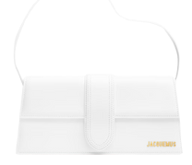 | JACQUEMUS | Le Bambino Long | BAG | WHITE | 28 x 13,5 | 100% Leather | 3 | € 920.00 | € 2,760.00 | € 286.88 | € 860.63 | £253.87 | £761.62
 | JACQUEMUS | Le Bambino | BAG | WHITE | 17,5 x 9 cm | 100% Cowskin | 1 | € 670.00 | € 670.00 | € 209.25 | € 209.25 | £185.18 | £185.18
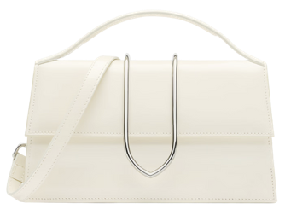 | JACQUEMUS | Le Grand Bambino | BAG | IVORY LA CROICIERE | 23,5 x 13cm | 100% Leather | 5 | € 1,025.00 | € 5,125.00 | € 320.63 | € 1,603.13 | £283.74 | £1,418.69
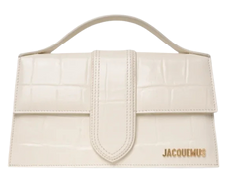 | JACQUEMUS | Le Grand Bambino | BAG | IVORY COCCO | 23,5 x 13cm | 100% Leather | 40 | € 995.00 | € 39,800.00 | € 310.50 | € 12,420.00 | £274.78 | £10,991.15
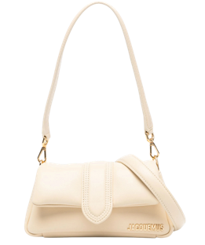 | JACQUEMUS | Le Bambinou Petit | BAG | WHITE |  | 100% Cowskin | 1 | € 920.00 | € 920.00 | € 286.88 | € 286.88 | £253.87 | £253.87
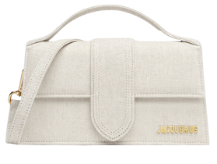 | JACQUEMUS | Le Grand Bambino | BAG | LIGHT GRIEGE | 23,5 x 13cm | 100% Leather | 4 | € 885.00 | € 3,540.00 | € 276.75 | € 1,107.00 | £244.91 | £979.65
 | JACQUEMUS | Le Grand Bambino | BAG | DARK GRIEGE | 23,5 x 13cm | 100% Leather | 4 | € 885.00 | € 3,540.00 | € 276.75 | € 1,107.00 | £244.91 | £979.65
 | JACQUEMUS | Le Grand Bambino | BAG | DARK NAVY | 23,5 x 13cm | 100% Leather | 7 | € 885.00 | € 6,195.00 | € 276.75 | € 1,937.25 | £244.91 | £1,714.38
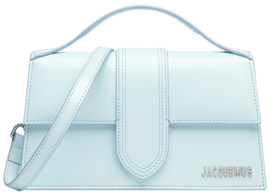 | JACQUEMUS | Le Grand Bambino | BAG | PALE BLUE | 23,5 x 13cm | 100% Leather | 1 | € 885.00 | € 885.00 | € 276.75 | € 276.75 | £244.91 | £244.91
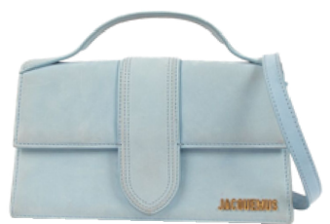 | JACQUEMUS | Le Grand Bambino | BAG | DARK LIGHT BLUE | 23,5 x 13cm | 100% Leather | 1 | € 885.00 | € 885.00 | € 276.75 | € 276.75 | £244.91 | £244.91
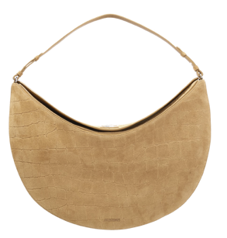 | JACQUEMUS | Borsa Ovalo | BAG | BEIGE COCCO | 49 cm x 25,5 cm x 10,5 cm | 100% Leather | 1 | € 1,565.00 | € 1,565.00 | € 489.38 | € 489.38 | £433.08 | £433.08
 | JACQUEMUS | Le Bambino Long | BAG | DARK BROWN | 28 x 13,5 | 100% Leather | 10 | € 920.00 | € 9,200.00 | € 286.88 | € 2,868.75 | £253.87 | £2,538.72
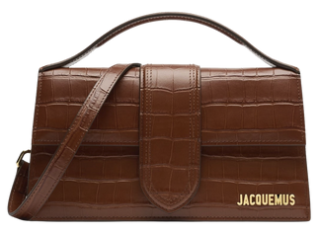 | JACQUEMUS | Le Grand Bambino | BAG | BROWN COCCO | 23,5 x 13cm | 100% Leather | 2 | € 995.00 | € 1,990.00 | € 310.50 | € 621.00 | £274.78 | £549.56
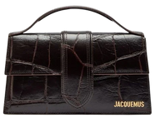 | JACQUEMUS | Le Grand Bambino | BAG | DARK BROWN COCCO | 23,5 x 13cm | 100% Leather | 29 | € 995.00 | € 28,855.00 | € 310.50 | € 9,004.50 | £274.78 | £7,968.58
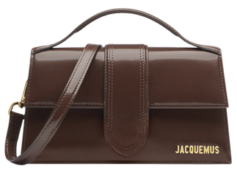 | JACQUEMUS | Le Grand Bambino | BAG | MIDNIGHT BROWN | 23,5 x 13cm | 100% Leather | 8 | € 885.00 | € 7,080.00 | € 276.75 | € 2,214.00 | £244.91 | £1,959.29
 | JACQUEMUS | Le Grand Bambino | BAG | LIGHT BROWN2 | 23,5 x 13cm | 100% Leather | 6 | € 885.00 | € 5,310.00 | € 276.75 | € 1,660.50 | £244.91 | £1,469.47
 | JACQUEMUS | Le Grand Bambino | BAG | LIGHT BROWN | 23,5 x 13cm | 100% Leather | 4 | € 885.00 | € 3,540.00 | € 276.75 | € 1,107.00 | £244.91 | £979.65
 | JACQUEMUS | Le Grand Bambino | BAG | BROWN | 23,5 x 13cm | 100% Cowskin | 100 | € 1,070.00 | € 107,000.00 | € 276.75 | € 27,675.00 | £244.91 | £24,491.15
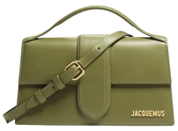 | JACQUEMUS | Le grand Bambino | BAG | GREEN KHAKI | 23,5 x 13cm | 100% Leather | 43 | € 885.00 | € 38,055.00 | € 276.75 | € 11,900.25 | £244.91 | £10,531.19
 | JACQUEMUS | Il Chiquito homme | BAG | KHAKI | 12x9 cm | 100% Cowskin | 1 | € 595.00 | € 595.00 | € 185.63 | € 185.63 | £164.27 | £164.27
 | JACQUEMUS | LE Bambino | BAG | GREEN | 17,5 x 9 cm | 100% Cowskin | 1 | € 670.00 | € 670.00 | € 209.25 | € 209.25 | £185.18 | £185.18
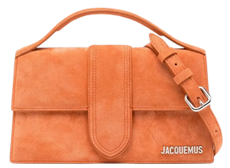 | JACQUEMUS | Le grand Bambino | BAG | TERRACOTTA | 23,5 x 13cm | 100% Leather | 12 | € 885.00 | € 10,620.00 | € 276.75 | € 3,321.00 | £244.91 | £2,938.94
 | JACQUEMUS | Le grand Bambino | BAG | RED | 23,5 x 13cm | 100% Leather | 29 | € 885.00 | € 25,665.00 | € 276.75 | € 8,025.75 | £244.91 | £7,102.43
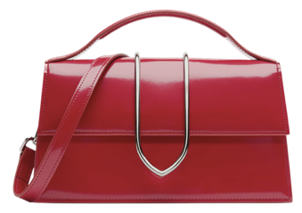 | JACQUEMUS | Le grand Bambino | BAG | RED LA CROICIERE | 23,5 x 13cm | 100% Leather | 17 | € 1,070.00 | € 18,190.00 | € 334.13 | € 5,680.13 | £295.69 | £5,026.66
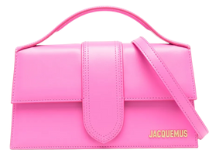 | JACQUEMUS | Le grand Bambino | BAG | NEON PINK | 23,5 x 13cm | 100% Leather | 5 | € 885.00 | € 4,425.00 | € 276.75 | € 1,383.75 | £244.91 | £1,224.56
 |  |  |  |  |  |  | 680 |  | € 611,655.00 |  | € 185,351.63 |  | £164,027.99

